Observation Sheet-Cuttings
Field Name | well | top depth (ft) | bot depth (ft) | top depth (m) | bot depth (m) | Photos | XRD mineralogy (+HCl acid test for calcite) | Additional minerals based on thin sections | Lithology | Alteration (-> altered to) | Comments | shearing/ brecciation 1 to 5 | open space filling minerals | vein paragenesis | Smectite (Sme) | Chlorite/smectite (C/S) | Chlorite (Chl) | illite/smectite (I/S) | Illite (Ill) | Kaolinite | Plagioclase (Plag) | K-feldspar (Kspar) | Adularia | Quartz (Qtz) | Chalcedony | Clinopyroxene (Cpx) | Amphibole (Amph) | Biotite (Bt) | Muscovite | Epidote (Ep) | Titanite (Tnt) | Prehnite | Calcite (Calc) | Dolomite | Anhydrite | Laumontite | Zeolite? | Hematite | Opaque (?) | Apatite | Zircon | Sillimanite | Rutile | 1 = trace <1% 2 = 1 to 5% 3 = 5 to 10% 4 = 10 to 25% 5 = >25%
Roosevelt | 14-2 | 650 | 660 | 198.1 | 201.2 | 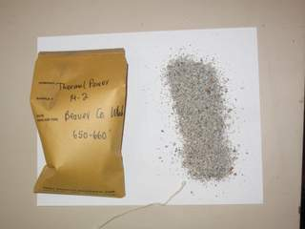 | Qtz+Plag; minor Ill+Calc+Kspar(?) |  | granite | Pl->Ill | Cement fairly common in sample | 1 | rare Dol, Cal+Hem+?, Hem veins |  |  |  | 1 |  | 1 |  | 5 | 2 |  | 5 |  |  |  | 2 |  |  | 1 |  |  | 1 |  |  |  | 2 |  | 1 | 1
Roosevelt | 14-2 | 1280 | 1290 | 390.1 | 393.2 | 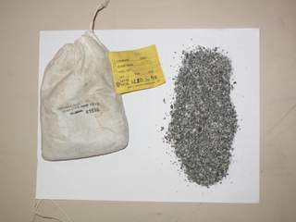 | Qtz+Kmica+Plag; minor Chl+Calc+Kspar(?) | Also contains minor illite and calcite as well as trace amounts of titanite, hematite, apatite and zircon. | granite | Amph->Calc+Chl+Tnt Plag->Ill |  | 1 | Hem |  |  |  | 2 |  | 3 |  | 5 | 2 |  | 5 |  |  | 1 | 3 |  |  | 1 |  | 2 |  |  |  |  | 1 |  | 1 | 1
Roosevelt | 14-2 | 1800 | 1805 | 548.6 | 550.2 | 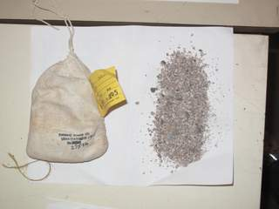 | Qtz; minor Plag+Ill+Kspar+Calc | Also contains minor chlorite and illite, as well as trace amounts of muscovite, titanite and apatite. | granite | Plag->Ill |  |  |  |  |  |  | 2 |  | 3 |  | 5 | 2 |  | 5 |  |  |  | 1 | 1 |  | 1 |  |  |  |  |  |  |  |  | 1
Roosevelt | 14-2 | 2350 | 2355 | 716.3 | 717.8 | 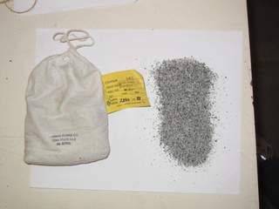 | Plag+Ill+Qtz; minorKspar+Chl+Calc | Also contains minor illite, as well as trace amounts of titanite, calcite, apatite and zircon. | granite | Plag->Ill+Calc Bt->Chl |  | 1 | rare Qtz, Calc veins |  |  |  | 2 |  | 2 |  | 5 | 3 |  | 5 |  |  |  | 2 |  |  | 1 |  | 1 |  |  |  |  |  |  | 1 | 1
Roosevelt | 14-2 | 2865 | 2870 | 873.3 | 874.8 | 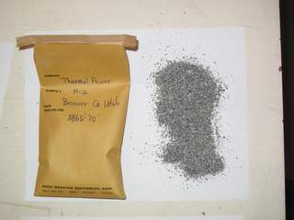 | Plag+Chl+Qtz; minor Kspar+Ill+Calc | Also contains minor illite and calcite, as well as trace amounts of titanite, apatite and zircon. May also contain an interlayered chlorite/smectite. | granite | Plag-> Calc+Ill Bt->C/S(?)+Chl |  |  | Chlorite veinlets |  |  |  | 3 |  | 3 |  | 5 | 2 |  | 5 |  |  | 1 | 2 |  |  | 1 |  | 3 |  |  |  |  |  |  | 1 | 1
Roosevelt | 14-2 | 4425 | 4430 | 1348.7 | 1350.3 |   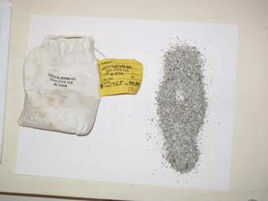 | Plag>>Ill+Qtz+Chl+Calc | Also contains minor K-feldspar, as well as trace amounts of illite, amphibole, titanite, calcite, apatite and zircon. May also contain interlayered chlorite/smectite. | granite | Plag->Ill+Calc Bt->Chl+Tnt Amph->Calc |  | 1 |  |  |  |  | 1 |  | 1 |  | 5 | 3 |  | 5 |  |  | 1 | 2 |  |  | 1 |  | 1 |  |  |  |  |  |  | 1 | 1
Roosevelt | 14-2 | 5155 | 5160 | 1571.2 | 1572.8 |  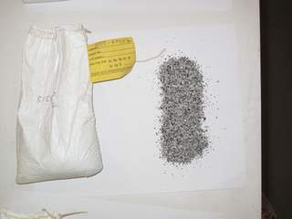 | Plag+Ill+Qtz>>Kspar+Chl+Calc | Also contains minor amphibole and titanite as well as trace amounts of illite, adularia, calcite and apatite. | granite | Plag->Ill Bt->Chl Amph->Calc |  | 2 | Rare veining: Chl veinlets; one Adularia, Qtz and Tnt vein; Calc |  |  |  | 1 |  | 1 |  | 5 | 2 | 1 | 5 |  |  | 2 | 3 |  |  | 2 |  | 1 |  |  |  |  |  |  | 1
Roosevelt | 14-2 | 5465 | 5470 | 1665.7 | 1667.3 | 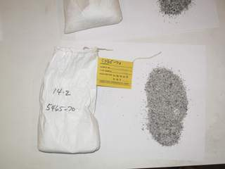 | Plag>Ill+Qtz+Chl+Kspar(?)+Calc |  | granite | Plag->Ill Bt->Chl |  | 1 |  |  |  |  | 2 |  | 2 |  | 5 | 3 |  | 5 |  |  | 1 | 2 | 1 |  | 1 |  |  |  |  |  |  |  | 1 | 1 | 1
Roosevelt | 14-2 | 5940 | 5945 | 1810.5 | 1812.0 | 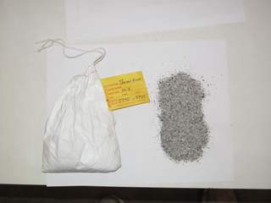 | Plag>>Qtz+Ill>Chl+Calc | Also contains minor K-feldspar, as well as trace illite, amphibole, titanite, calcite, apatite and zircon. | granite |  |  | 1 | Rare veins: Qtz+Calc; Chl veinlets | Qtz before Calc |  |  | 2 |  | 1 |  | 5 | 2 |  | 5 |  |  | 1 | 2 |  |  | 1 |  | 1 |  |  |  |  |  |  | 1 | 1
Roosevelt | 52-21 | 4790 | 4800 | 1460.0 | 1463.0 | 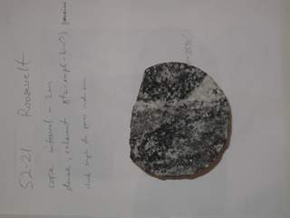 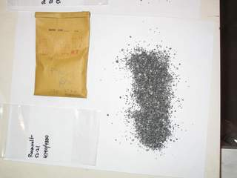 | Ill+Amph+Qtz+Plag>>Chl+Calc | Also contains titanite, illite and apatite, as well as trace muscovite and opaques. | granite | Plag->Ill | rare breccia with Qtz cement. Brittle shearing. Calc vein. | 1 | Calc, Qtz |  |  |  | 1 |  | 2 |  | 5 | 2 |  | 5 |  |  | 4 | 4 | 1 |  | 3 |  | 1 |  |  |  |  |  | 1 | 2
Roosevelt | 52-21 | 5820 | 5830 | 1773.9 | 1777.0 | 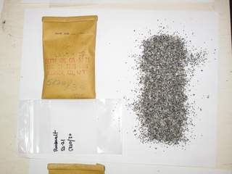 | Qtz+Ill+Plag>Chl+ Amph(?)+Calc | Also contains illite, as well as trace muscovite, titanite, calcite, zircon and opaques. | granite | Plag->Ill | Ductile and brittle shearing. Undulatory extinction in quartz is common. | 1 |  |  |  |  | 1 |  | 2 |  | 5 | 2 |  | 5 |  |  | 2 | 3 | 1 |  | 1 |  | 1 |  |  |  |  |  | 1 | 1
Roosevelt | 52-21 | 6200 | 6210 | 1889.8 | 1892.8 | 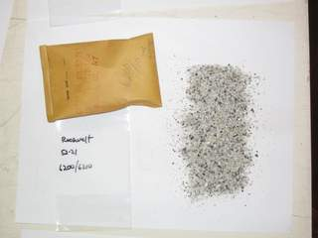 | Qtz>Ill+Plag>Chl+Calc | Also contains illite and amphibole, as well as trace muscovite, titanite, calcite, apatite, zircon, sillimanite and opaques. | granite | Plag-> Calc+Ill Bt-> Chl | Hydrothermal breccia? Brecciated rock cemented by fine-grained quartz | 3 | Qtz, Ill, Calc | Early fine-grained quartz and illite, followed by euhedral quartz and finally calcite |  |  | 1 |  | 2 |  | 5 | 2 |  | 5 |  |  | 2 | 2 | 1 |  | 1 |  | 1 |  |  |  |  |  | 1 | 1 |  | 1
Dixie Valley | 73B-7 | 2120 | 2150 | 646.2 | 655.3 |    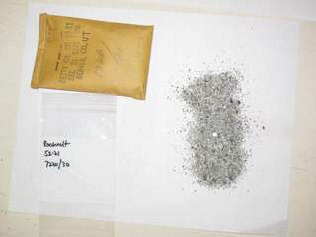 | Plag+Qtz+Calc>>Sme | Probably some detrital illite and chlorite in here too, as well as K-feldspar. Also trace amounts of clinopyroxene, laumontite, hematite and another zeolite. | Volcaniclastic sandstone |  |  |  |  |  | 3? |  | 3 |  | 4 |  | 5 | 3? |  | 5 |  | 1 |  |  |  |  |  |  |  |  |  | 1 | 1 | 1
Dixie Valley | 73B-7 | 2560 | 2590 | 780.3 | 789.4 | 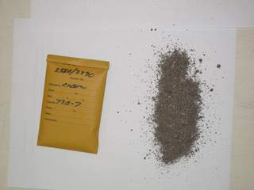 | Qtz+Plag>>Ill+Sme+Calc | Also contains detrital chlorite, illite and I would suspect K-feldspar. Laumontite and hematite are abundant, with trace amounts of clinopyroxene, amphibole, epidote and another zeolite. | Volcaniclastic sandstone |  |  | 1 |  |  | 3? |  | 3 |  | 3 |  | 5 | 3? |  | 5 |  | 1 | 1 |  |  | 1 |  |  |  |  |  | 2 | 1 | 2
Dixie Valley | 73B-7 | 3890 | 3920 | 1185.7 | 1194.8 | 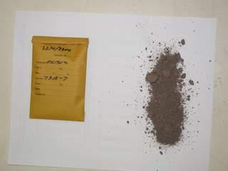 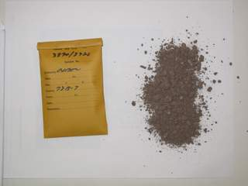 | Plag>Qtz>>Ill+Sme+Calc | Also contains chlorite, calcite and K-feldspar. | Sedimentary | clay | Sandstone with fine-grained hematite stained matrix. Flow, sed and tuff clasts | 3 |  |  | 3? |  | 2 |  | 3 |  | 5 | 2? |  | 3 |  |  |  |  |  |  |  |  | 2
Dixie Valley | 73B-7 | 4500 | 4530 | 1371.6 | 1380.7 | 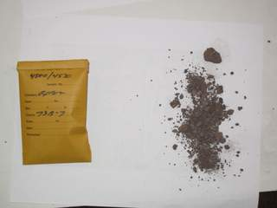 | Plag>Qtz>>Sme+Calc | Also contains chlorite, illite, K-feldspar, clinopyroxene, calcite and hematite. | Sedimentary | clay | Conglomerate composed of flow clasts with minor intrusive clasts. Fine-grained matirx. |  | Calc |  | 3? |  | 2 |  | 3? |  | 5 | 3? |  | 4 |  | 2 |  |  |  |  |  |  | 2 |  |  |  |  | 2
Dixie Valley | 73B-7 | 5670 | 5680 | 1728.2 | 1731.3 | 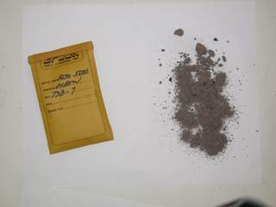 | Plag>Qtz>>Ill+Calc | Also contains chlorite, K-feldspar, calcite and laumontite, as well as trace amounts of opaques and another zeolite. May contain smectite? | Sedimentary | clay | Sandstone with fine-grained hematite stained matrix. Clasts = flow, Int, tuff, seds. Plag -> Ill. |  | Calc, Laumontite |  | ? |  | 2 |  | 4 |  | 4 | 3? |  | 5 |  |  |  |  |  |  |  |  | 2 |  |  | 2 | 1? | 1
Dixie Valley | 73B-7 | 5940 | 5950 | 1810.5 | 1813.6 | 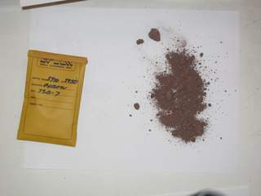 | Qtz+Plag+Calc | Also contains chlorite, illite, calcite, laumontite and hematite, as well as trace amounts of epidote. May also contain smectite? | Sedimentary | clay | Sandstone with fine-grained hematite stained matrix. Clasts = flow, Qtzite, tuff, seds. Plag -> Ill. |  |  |  | ? |  | 3 |  | 4 |  | 5 | 2? |  | 5 |  |  |  |  |  | 1 |  |  | 3 |  |  | 2 |  | 2
Dixie Valley | 73B-7 | 6400 | 6410 | 1950.7 | 1953.8 |  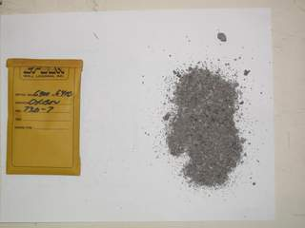 | Qtz+Plag>>Ill+Chl(?)+Calc | Trace mica, but more illite. This sample also contains clinopyroxene, calcite and laumontite, as well as trace amphibole, epidote, titanite, prehnite and opaques. | Sedimentary | clay, Ep detrital | Sandstone clast supported. Clasts = flow, Qtzite, tuff, seds. Plag -> Ill. Ferromagnesium minerals->Chl | 1 | pores filled by: Calc, Qtz, laumontite, prehnite |  |  |  | 2 |  | 2 |  | 5 | 5? |  | 5 |  | 2 | 1 | 1 |  | 1 | 1 | 1 | 2 |  |  | 3 |  | 1
Dixie Valley | 73B-7 | 6790 | 6800 | 2069.6 | 2072.6 |  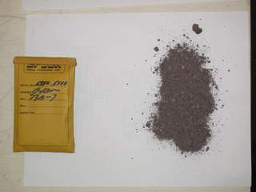 | Qtz>Ill+Plag+Calc |  | Sedimentary | clay, Ep detrital | Sandstone clast supported. Clasts = Int, flow & tuff. | 1 | Pores filled by laumontite, Calc & Qtz | Qtz before laumontite; laumonite before Calc |  |  |  |  | 1 |  | 5 | 4? |  | 5 |  |  |  |  |  | 1 | 1 |  | 1 |  | 1 | 5
Dixie Valley | 73B-7 | 7010 | 7020 | 2136.6 | 2139.7 | 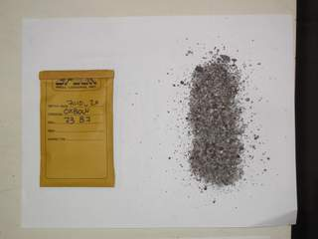 | Qtz>Ill+Plag+Calc | Laumontite is common. The sample also contains K-feldspar and calcite as well as trace amounts of anhydrite and hematite. | Sedimentary | clay | Clast supported sediment with tuff and flow clasts | 1 | pores filled by: Calc, Qtz, laumontite |  |  |  |  |  | 2 |  | 4 | 3? |  | 5 |  |  |  |  |  |  |  |  | 2 |  | 1 | 5 |  | 1
Dixie Valley | 73B-7 | 7270 | 7280 | 2215.9 | 2218.9 | 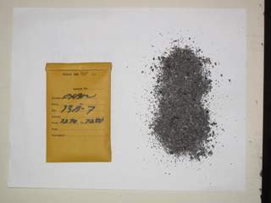 | Plag+Ksp(?)>Kmica>Sme+Chl(?)+Calc | Laumontite is common. This sample also contains quartz, clinopyroxene and calcite, as well as trace amounts of epidote and hematite. | Lava flow | Overprinted propylitic? Sme and trace Ep | Sparse Pl pheno. Groundmass = Pl laths with interstitial Cpx. Ferromagnesium minerals-> Sme+Chl. Pl->Lmt+Chl+Calc. | 1 | Calc, Qtz, laumontite, Ep |  | 2 |  | 2 |  | 2 |  | 5 | ? |  | 2 |  | 3 |  |  |  | 1 |  |  | 2 |  |  | 4 |  | 1
Dixie Valley | 73B-7 | 7510 | 7520 | 2289.0 | 2292.1 | 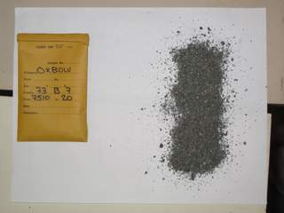 | Plag>Qtz>Chl+Sme(?)+Calc | Also contains significant clinopyroxene and trace hematite. | Lava flow | clay | Coarse-grained, flow interior? Sparse Pl pheno. Groundmass = Pl laths with interstitial Cpx. FM-> Sme+Hem. | 2 | Qtz, Sme, Chl, Calc | Qtz before laumontite Qtz before Calc | 3 |  | 4 |  |  |  | 5 |  |  | 3 |  | 4 |  |  |  |  |  |  |  |  |  |  |  | 1
Dixie Valley | 73B-7 | 7770 | 7780 | 2368.3 | 2371.3 | 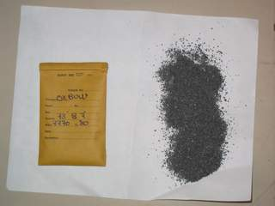 | Plag>Qtz>Chl+Calc | Also contains clinopyroxene, smectite, illite and calcite, as well as trace amounts of amphibole, biotite, epidote, titanite and hematite. | Lava flow | Overprinted propylitic? Sme and trace Ep | Pl laths (variable sizes) with interstitial Cpx. FM-> Sme+C/S+Chl+Tnt. Pl->Chl. Ep with very fine-grained silica? | 1 | Calc and rare Qtz in veins. Chl+C/S+very f-g quartz+Ep fill vesicles. |  | 2 | ? | 4 |  | 2 |  | 5 |  |  | 4 |  | 3 | 1 | 1 |  | 1 | 1 |  | 2 |  |  |  |  | 1
Dixie Valley | 73B-7 | 8050 | 8060 | 2453.6 | 2456.7 | 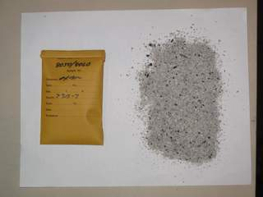 | Plag+Qtz>Chl(?)+Calc | Also contains illite and K-feldspar. | Granite | clay | Sheared granite with calcite as an altertion produce and filling open space | 4 | Calc |  |  |  | 2 |  | 2 |  | 5 | 4 |  | 5 |  |  |  |  |  |  |  |  | 4
Dixie Valley | 73B-7 | 8280 | 8290 | 2523.7 | 2526.8 | 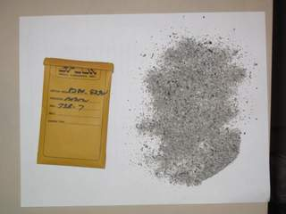 | Plag+Qtz>Chl+Calc | Also contains illite and K-feldspar. | Granite | clay | Sheared granite with calcite as an altertion produce and filling open space | 3 | Calc |  |  |  | 2 |  | 2 |  | 5 | 5 |  | 5 |  |  |  |  |  |  |  |  | 3
Beowawe | 85-18 | 890 | 900 | 271.3 | 274.3 |                 | Plag+Sme+Calc | Also contains clinopyroxene, calcite and hematite, as well as trace chalcedony | Basalt flow | clay | Sparse phenocrysts (Ol and Pl). Ol and Opx(?) altered out. Cpx remains largely intact. Pl lath groundmass with interstitial Cpx. | 0 | Sme, Calc and chalcedony |  | 4 |  |  |  |  |  | 5 | ? |  |  | 1 | 4 |  |  |  |  |  |  | 2 |  |  |  |  | 2
Beowawe | 85-18 | 1450 | 1460 | 442.0 | 445.0 |  | Qtz>>Feldspar+Sme+Calc | This sample may contain significant zeolite in the fine-grained matrix; trace hematite and opaques. | Ash-flow tuff and tuffaceous siltstone with minor sandstone and lava flow. | clay, silicification | The ash-flow tuff and siltstone are silicified and have a fine-grained matrix that is unusually dark under cross-polarized like that I suspect contains zeolite. The ash-flow tuff is crystal- and lithic-poor. The siltstone contrains illite and other detrital clasts. Possilbe cement in this sample. | 1 | Qtz is the most common vein mineral. Qtz, Calc and zeolite (not sure which species) |  | 2? |  |  |  |  |  | 2 | 2 |  | 5 |  |  |  |  |  |  |  |  |  |  |  |  | 5? | 1 | 1
Beowawe | 85-18 | 2200 | 2210 | 670.6 | 673.6 |  | Qtz>>Feldspar+Chl+Calc | Also contains clinopyroxene and calcite, as well as trace chalcedony and hematite. | Volcaniclastic deposit | clay, silicification | Volcaniclastic deposit composed of texturally variable lava flow clasts. Pore space filled by Calc, C/S(?), Qtz and Chal. | 2 | Qtz, Calc, chalcedony and clay | Rhombic Calc and C/S(?) before chalcedony. | 3 | 3 |  | 1 |  |  | 5 | ? |  | 4 | 1 | 2 |  |  |  |  |  |  | 3 |  |  |  |  | 1
Beowawe | 85-18 | 2690 | 2700 | 819.9 | 823.0 |  | Qtz>Calc | Also contains minor clay minerals, feldspar and calcite. | 65% silicified siltstone, 35% quartzite and minor lava flow | intense silicification | The siltsonte is massive and silicified. It is composed of fine-grained quartz and contains minor illite, rare quartz clasts and silicified fossils. It is brecciated and cut by quartz veins. The quartzite contains sutured quartz grains and fine-grained quartz and coarse-grained illite. Less abundant smectite alt lava flows (slough?). | 3/5. the massive silicified siltstone is brecciated and cut by quartz veins. | Quartz veins are common, some display domain extinction (= boilling). Less common phases include chlorite or interlayered chlorite/smectite, calcite and chalcedony. |  | 1 | ? | 2 |  | 3 |  | 2 |  |  | 5 |  |  |  |  |  |  |  |  | 2 |  |  |  |  |  | 1
Beowawe | 85-18 | 3740 | 3750 | 1140.0 | 1143.0 |    | Qtz+Calc | Also contains clay minerals, calcite and hematite. | Sheared and brecciated quartzite and siltstone. | silicification. | Roughly equal parts quartzite and siltstone. Shearing and brecciation common. Deformed chips are often silicified. Foliated clay-rich chips interpreted as fault-gouge are fairly common. Not sure of clay mineralolgy. Minor pyrite. | 4/5. Both lithologies are pretty beat up. | Quartz and calcite. Rare chalcedony. | Qtz before Calc. |  |  |  |  | 5? |  |  |  |  | 5 |  |  |  |  |  |  |  |  | 4 |  |  |  |  | 2 | 1
Beowawe | 85-18 | 4210 | 4220 | 1283.2 | 1286.3 |   | Qtz+Calc |  | Mixed sedimentary rocks | Minor silicification of quartzite | Dominatntly quartzite and silitstone (often calcarous) with less abundant dark shale and carbonate | 3/5. Quartzite is often sheared and silicified. Foliated clay-rich chips may be fault gouge | Quartz, calcite, chalcedony and rare titanite | Qtz before Calc. Titanite before Calc. |  |  |  |  | 5? |  |  |  |  | 5 |  |  |  |  |  |  |  |  | 5 |  |  |  |  |  | 1
Beowawe | 85-18 | 4500 | 4510 | 1371.6 | 1374.6 |  | Qtz+Calc |  | Silicified rocks | silicification. | Massive silicified rock with no recognizable primary textures. Composed of fine-grained quartz, chalcedony and euhedral quartz. Alternative interpretation is that the silica fills open space. The sample also contains siltstone and dark shale. | 3/5. Brecciation of silicified rock as well as Slst and Sh. | Qtz, Cal, Chal and pyrite | Qtz before Calc. Rare Calc before Qtz and/or chalcedony |  |  |  |  | 3 |  |  |  |  | 5 |  |  |  |  |  |  |  |  | 3 |  |  |  |  |  | 1
Beowawe | 85-18 | 5180 | 5190 | 1578.9 | 1581.9 |   | Qtz>Plag+Calc |  | Dike and Sedimentary rocks | Argillic alt of dike. Silicification and rare contact metamorphism of sediments. | This sample is composed of roughly equal parts dike and wall rock. The intrusive is relatively coarse-grained and consists of plagioclase and pyroxene that is partially altered to smectite, calcite and rare anhydrite. The wall rock is composed of siltstone (can be calcareous or contain silicified fossils), dark siltstone and massive silicified rock. Rare biotite bearing chips of contact metamorphosed rock are also present. | 3/5. The sediments have been more effected by brittle deformation than the country rocks. | Qtz, Chal and Cal. | Qtz before Calc. | 3 |  |  |  | 2 |  | 5 | ? |  | 5 |  | 3 |  | 1 |  |  |  |  | 3 |  | 1 |  |  |  | 1
Beowawe | 85-18 | 5350 | 5360 | 1630.7 | 1633.7 |  | Qtz>>Kmica+Calc |  | Mixed sedimentary rocks and minor dike. | Silicification of sediments. Rare argillic alt of dike. | This sample is composed of dark shale, siltstone (often calcareous), fine-grained sandstone in matrix and very-fine grained silica rich rock. Fossils in the Slst and Sh are usually replaced by silica. Rare plagioclase psuedomorphs in the fine-grained silica-rich rock suggest that it may be a tuffaceous sediment. Other very-fine grained silica-rich chips contain detrial clay/mica grains. Could this be the precursor to the massive silica rock observed above? Rare prophyrtic chips alt to Cal and clay. Others altered to Sme as above. | 3/5. Shearing. | Qtz, Calc and pyrite | Qtz before Calc. | 1 |  |  |  | 4 |  | 2 | ? |  | 5 |  | 1 |  |  |  |  |  |  | 3 |  |  |  |  |  | 1

