Surface Plant Calcs
 | Turbine |  |  | Compressor |  |  |  |  |  |  |  | Turbine Power |  | Assumed Inlet Temp: |  | 200 | (F) |  |  | Turbine Power |  | Assumed Inlet Temp: |  | 300 |  |  | Compressor Power |  | Assumed Inlet Temp: |  | 50 | (F)
(psi) | P_4 | 2209.7577799 |  | P_2 | 500 |  |  | kJ/kg-K | kJ/kg-K |  |  | Outlet Pressure (PSI) |  |  |  | 366 | (K) |  |  | Outlet Pressure (PSI) |  |  |  | 422 |  |  | Outlet Pressure (PSI) |  |  |  | 283 | (K)
(psi) | P_5 | 500 |  | P_3 | 3138.4675792 |  |  | Cp | Cv |  |  | 1000 | 1500 | 2000 | 2500 | 3000 |  |  |  | 1000 | 1500 | 2000 | 2500 | 3000 |  |  | 1000 | 1500 | 2000 | 2500 | 3000 |  |  | 1000 | 1500 | 2000 | 2500 | 3000
(MPa) | P_4 | 15.2 |  | P_2 | 3.4 |  | Nitrogen | 1.2 | 0.78 | Outlet Pressure (psi) | 100 | 70 | 77 |  |  |  |  | Outlet Pressure (psi) | 100 | 85 | 94 | 99 | 102 | 105 | Inlet Pressure (psi) | 100 | 132 | 163 |  |  |  |  | 100 | 132 | 163
(MPa) | P_5 | 3.4 |  | P_3 | 21.6 |  | Methane | 2.8 | 1.95 |  | 200 | 53 | 62 | 66 | 69 | 71 |  |  | 200 | 64 | 75 | 82 | 87 | 90 |  | 200 | 84 | 111 | 132 | 149 | 164 |  | 200 | 84 | 111 | 132 | 149 | 164
 | TPR |  |  | CPR | 6.2769351585 |  |  |  |  |  | 300 | 42 | 52 | 57 | 61 | 63 |  |  | 300 | 50 | 63 | 71 | 76 | 80 |  | 300 | 59 | 84 | 102 | 118 | 132 |  | 300 | 59 | 84 | 102 | 118 | 132
(F) | T_4 | 368.14392511 |  | T_2 | 50 |  |  |  |  |  | 400 | 33 | 44 | 50 | 54 | 57 |  |  | 400 | 39 | 53 | 62 | 68 | 72 |  | 400 | 43 | 65 | 83 | 97 | 110 |  | 400 | 43 | 65 | 83 | 97 | 110
(K) | T_4 | 459.90 |  | T_2 | 283.15 |  |  |  |  |  | 500 | 25 | 37 | 44 | 49 | 52 |  |  | 500 | 30 | 45 | 55 | 61 | 66 |  | 500 | 31 | 52 | 69 | 82 | 94 |  | 500 | 31 | 52 | 69 | 82 | 94
(F) | T_5 | 368.1 |  | T_3 | 50
(K) | T_5 | 459.89662506 |  | T_3 | 283.15
kJ/kg-K | Cp | 1.2 |  | Cp | 1.2
kJ/kg-K | Cv | 0.78 |  | Cv | 0.78
- | gam | 1.5384615385 |  | gam | 1.2 |  |  |  |  |  | Turbine Outlet Temperature |  |  | Assumed Inlet Temp: |  | 200 | (F) |  | Turbine Outlet Temperature |  |  | Assumed Inlet Temp: |  | 300 | Compressor Outlet Temperature |  |  |  | Assumed Inlet Temp: |  | 50 | (F)
- | (gam-1)/gam | 0.35 |  | (gam-1)/gam | 1.2 |  |  |  |  |  |  | Outlet Pressure (PSI) |  |  |  | 366.48333333 | (K) |  |  | Outlet Pressure (PSI) |  |  |  | 422.03888889 |  |  | Outlet Pressure (PSI) |  |  |  | 283.15 | (K)
- | eff_t | 0.85 |  | eff_c | 0.85 |  |  |  |  |  |  | 1000 | 1500 | 2000 | 2500 | 3000 |  |  |  | 1000 | 1500 | 2000 | 2500 | 3000 |  |  | 1000 | 1500 | 2000 | 2500 | 3000
kJ/kg | ht4 |  | 1,193 | ht2 |  | 801 |  |  |  | Outlet Pressure (psi) | 100 | (44) | (83) |  |  |  |  | Outlet Pressure (psi) | 100 | 36 | (6) | (34) | (56) | (73) | Inlet Pressure (psi) | 100 | 424 | 499
kJ/kg | ht5 | 959 |  | ht3 | 625 |  |  |  |  |  | 200 | 17 | (27) | (57) | (79) | (95) |  |  | 200 | 104 | 58 | 25 | 1 | (19) |  | 200 | 306 | 378 | 431 | 473 | 508
kJ/(kg*K) | st4 |  | 4.84 | st2 |  | 4.46 |  |  |  |  | 300 | 57 | 11 | (21) | (45) | (64) |  |  | 300 | 149 | 100 | 65 | 39 | 18 |  | 300 | 239 | 309 | 361 | 402 | 436
kJ/(kg*K) | st5,isentropic |  | 4.84 | st3, isentropic |  | 4.46 |  |  |  |  | 400 | 88 | 40 | 7 | (18) | (38) |  |  | 400 | 182 | 131 | 96 | 68 | 47 |  | 400 | 192 | 261 | 311 | 352 | 385
kJ/kg | ht5, isentropic |  | 917 | ht3, isentropic |  | 1,099 |  |  |  |  | 500 | 114 | 64 | 30 | 4 | (16) |  |  | 500 | 209 | 157 | 121 | 93 | 70 |  | 500 | 156 | 223 | 273 | 313 | 346
kJ/kg | ht5, actual |  | 958.83 | ht3, actual |  | 1,151.93
(K) | T_5,actual |  | 350.28 | T_3, actual |  | 452.04
 | 100 | 200 | 300 | 400 | 500
1000 | 132 | 84 | 59 | 43 | 31
1500 | 163 | 111 | 84 | 65 | 52
2000 |  | 132 | 102 | 83 | 69
2500 |  | 149 | 118 | 97 | 82
3000 |  | 164 | 132 | 110 | 94
(F) | T_5,actual |  | 170.83 | T_3, actual |  | 354.00
kJ/kg | Work_out |  | 234 | Work_in |  | 351
 |  |  |  | 66.7%
 | 100 | 200 | 300 | 400 | 500
1000 | 70 | 53 | 42 | 33 | 25
1500 | 77 | 62 | 52 | 44 | 37
2000 |  | 66 | 57 | 50 | 44
2500 |  | 69 | 61 | 54 | 49
3000 |  | 71 | 63 | 57 | 52

 | Methane
 | scf | moles | lb-moles | lbs | kg
 | 1 | 1.19804 | 0.0026412 | 0.052824 | 0.023960563353

 | MW | 20 | lbs/lb-mole

 | Flow Rates vs. Work
 | 1 | MMscf/day |  | 1 | day
 | 1,000,000 | scf/day |  | 24 | hours
 | 11.57 | scf/sec |  | 1,440 | minutes
 | 0.277 | kg/s |  | 86,400 | seconds
 | 23,961 | kg/day
 | 64.97 | kW | Turbine - Work Out |  | 65
 | 97.39 | kW | Compressor - Work In |  | 97 | 66.7%

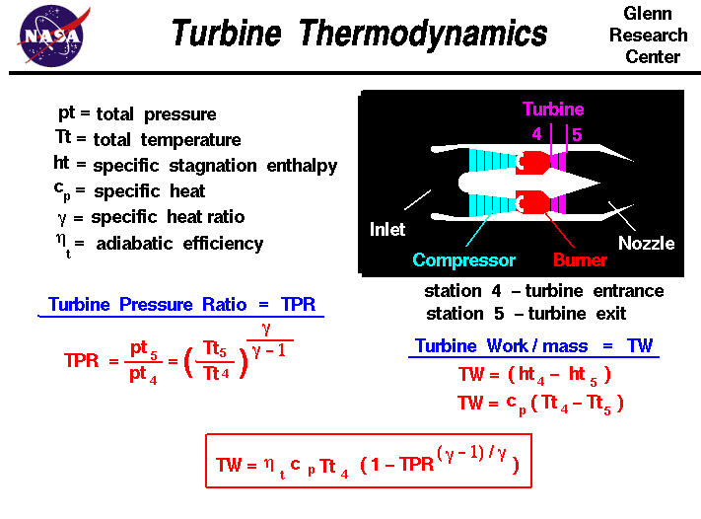

 | 100 | 200 | 300 | 400 | 500
1000 | 424 | 306 | 239 | 192 | 156
1500 | 499 | 378 | 309 | 261 | 223
2000 |  | 431 | 361 | 311 | 273
2500 |  | 473 | 402 | 352 | 313
3000 |  | 508 | 436 | 385 | 346

 | 100 | 200 | 300 | 400 | 500
1000 | (44) | 17 | 57 | 88 | 114
1500 | (83) | (27) | 11 | 40 | 64
2000 |  | (57) | (21) | 7 | 30
2500 |  | (79) | (45) | (18) | 4
3000 |  | (95) | (64) | (38) | (16)

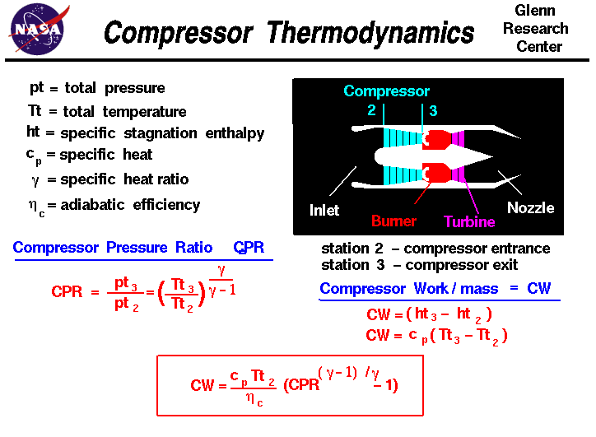

 |  |  |  |  |  |  |  |  |  |  |  | Turbine Outlet Power |  |  |  | Assumed Inlet Pressure |  | 3000 | (psi)
 |  |  |  |  |  |  |  |  |  |  |  |  | Inlet Temperature (F) |  |  |  |  | 206.8 | (bar)
 |  |  |  |  |  |  |  |  |  |  |  |  | 200 | 250 | 300 | 350 | 400 | 450 | 500
 |  |  |  |  |  |  |  |  |  |  | Outlet | 500 | 205 | 231 | 257 | 282 | 306 | 331 | 354
 |  |  |  |  |  |  |  |  |  |  | Pressure (psi) | 1000 | 139 | 156 | 172 | 188 | 204 | 220 | 235

 |  |  |  |  |  |  |  |  |  |  |  |  |  |  |  | Assumed Inlet Pressure |  | 4000 | (psi)
 |  |  |  |  |  |  |  |  |  |  |  |  | Inlet Temperature (F) |  |  |  |  | 275.8 | (bar)
 |  |  |  |  |  |  |  |  |  |  |  |  | 200 | 250 | 300 | 350 | 400 | 450 | 500
 |  |  |  |  |  |  |  |  |  |  | Outlet | 500 | 224 | 255 | 285 | 314 | 343 | 372 | 399
 |  |  |  |  |  |  |  |  |  |  | Pressure (psi) | 1000 | 166 | 188 | 209 | 229 | 250 | 269 | 289

