PAC-L
PAC-L (3 lb/bbl)
Temperature | Apparent viscosity, cP
76 | 17.623
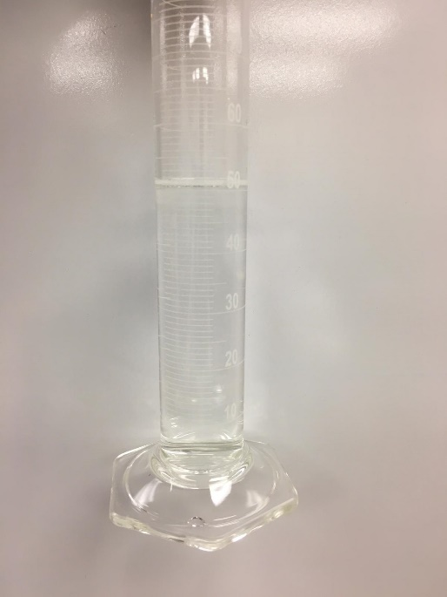
Before
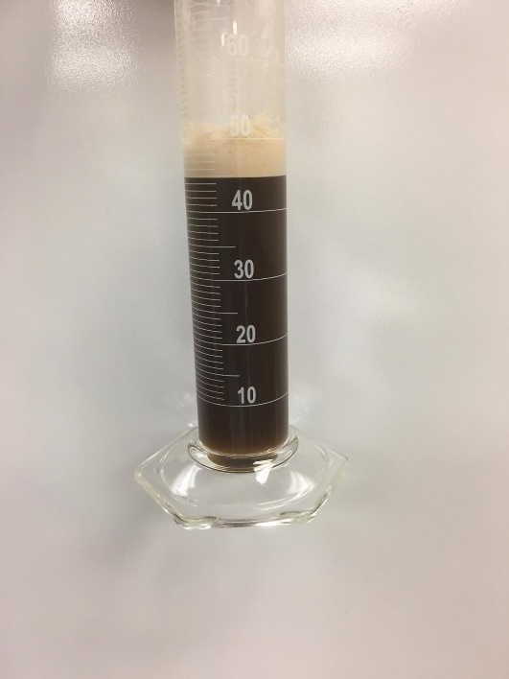
After
76 | 17.805
77 | 18.329
77.4 | 18.637
79.6 | 18.124
82.6 | 17.998
86.4 | 17.511
91 | 16.772
96 | 16.2
101.6 | 15.65
107.2 | 15.163
113 | 14.531
119 | 13.69
125.4 | 13.093
131.6 | 12.487
137.8 | 12.042
144.2 | 11.298
150.8 | 11.059
157.6 | 10.613
164.4 | 9.959
171.2 | 9.406
177.6 | 9.131
184.2 | 8.308
190.2 | 8.161
196.2 | 8.263
201.4 | 7.33
206.8 | 7.154
212.2 | 6.671
218.4 | 5.534
224.6 | 4.733
231 | 4.289
237.6 | 4.019
244.2 | 3.572
250.4 | 3.447
256.4 | 3.702
262.6 | 3.952
268.8 | 4.063
275 | 4.153
280.8 | 4.097
287 | 4.636
293 | 4.917
299.2 | 4.289
304.8 | 4.75
310.4 | 4.382
317 | 4.46
322.8 | 4.449
327.8 | 4.282
333.2 | 4.367
337.8 | 4.156
342 | 4.185
344 | 3.869
347 | 3.992
351.8 | 3.992
356.2 | 3.715
360 | 3.072
363 | 3.227
365 | 3.216
367 | 3.105
368 | 3.577
369 | 3.086

THERMA-CHECK
Before
After
THERMA-CHECK
1lb/bbl |  | 3 lb/bbl |  | 5 lb/bbl
Temperature | Apparent viscosity, cP | Temperature | Apparent viscosity, cP | Temperature | Apparent viscosity, cP
82 | 3.267 | 79 | 10.465 | 82 | 16.323
82 | 5.231 | 79 | 10.695 | 81 | 14.689
 | 1lb/bbl |  | 3 lb/bbl |  | 5 lb/bbl
82 | 3.267 | 79 | 10.465 | 82 | 16.323
82 | 5.231 | 79 | 10.695 | 81 | 14.689
82 | 5.165 | 79.6 | 10.821 | 82 | 15.67
83.8 | 3.837 | 81 | 11.166 | 83 | 17.641
86 | 5.43 | 83 | 11.443 | 85.6 | 16.63
89.2 | 6.266 | 86 | 11.019 | 88.6 | 16.314
93.6 | 6.648 | 90 | 10.796 | 92.8 | 16.564
98.2 | 6.061 | 94.6 | 10.791 | 97.2 | 15.452
103.6 | 6.208 | 99.6 | 10.985 | 102 | 15.765
109.2 | 5.807 | 104.8 | 10.724 | 107.4 | 15.035
115 | 6.044 | 110.4 | 10.435 | 113.2 | 14.124
121.2 | 7.152 | 116 | 10.635 | 119.2 | 14.096
127.2 | 6.126 | 122 | 10.261 | 125.4 | 13.669
133.2 | 5.788 | 128 | 10.417 | 131.8 | 13.209
139.2 | 6.141 | 134 | 10.52 | 138 | 12.55
145.4 | 5.514 | 140 | 10.354 | 144.4 | 11.557
151.4 | 3.816 | 146.4 | 9.657 | 150.6 | 10.939
158.2 | 4.113 | 153.2 | 10.091 | 157.2 | 11.01
164.8 | 4.74 | 159.4 | 10.125 | 163.8 | 9.706
171.2 | 3.842 | 166.2 | 9.405 | 170.8 | 8.955
177.6 | 3.348 | 173.2 | 9.374 | 177.8 | 7.445
183.8 | 4.003 | 179.8 | 10.017 | 184.8 | 6.653
189.4 | 3.458 | 186.8 | 9.072 | 191.4 | 6.65
195.2 | 2.927 | 192.8 | 8.95 | 197.8 | 6.071
201 | 0.995 | 198.6 | 8.885 | 204 | 5.847
206.6 | 1.446 | 204 | 8.964 | 209.6 | 5.724
212.8 | 1.438 | 209.8 | 8.515 | 215.2 | 5.89
220.2 | 0.059 | 215.8 | 8.363 | 221.4 | 7.167
227.4 | 0.107 | 222.2 | 8.204 | 227.8 | 6.614
233.6 | 1.193 | 228.8 | 7.803 | 234 | 6.622
239.6 | 0.939 | 234.8 | 8.393 | 240.2 | 7.185
246.2 | 0.675 | 241.2 | 8.445 | 246.4 | 6.112
252.8 | 1.271 | 247.4 | 8.489 | 252.4 | 7.173
259.4 | 0.499 | 253.4 | 8.341 | 258.4 | 7.091
265.8 | 1.226 | 259.4 | 7.929 | 264.4 | 6.032
272.4 | 1.77 | 265.6 | 7.907 | 270.4 | 6.348
278.6 | 0.692 | 271.6 | 6.999 | 276.2 | 6.377
284.8 | 1.411 | 277.4 | 7.069 | 282 | 6.181
291 | 1.5 | 284 | 7.458 | 287.8 | 5.778
296.8 | 1.805 | 290.4 | 7.329 | 293.6 | 5.507
302 | 1.451 | 296.6 | 7.64 | 299.2 | 4.968
307.8 | 1.025 | 303 | 7.188 | 304.8 | 4.57
313 | 0.394 | 309.2 | 7.321 | 310.2 | 4.697
318.4 | 0.925 | 315.6 | 6.461 | 315.6 | 4.484
324 | 0.461 | 321.2 | 6.569 | 321 | 3.234
329.6 | 1.162 | 327.6 | 7.526 | 326.6 | 2.701
335 | 1.768 | 333.2 | 6.929 | 332.6 | 1.749
341 | 0.059 | 338.8 | 7.022 | 339 | 2.009
346.6 | 0.059 | 344.6 | 7.099 | 345.4 | 1.374
351.8 | 0.268 | 350.8 | 6.848 | 351.4 | 1.081
...
82 | 5.165 | 79.6 | 10.821 | 82 | 15.67
83.8 | 3.837 | 81 | 11.166 | 83 | 17.641
86 | 5.43 | 83 | 11.443 | 85.6 | 16.63
89.2 | 6.266 | 86 | 11.019 | 88.6 | 16.314
93.6 | 6.648 | 90 | 10.796 | 92.8 | 16.564
98.2 | 6.061 | 94.6 | 10.791 | 97.2 | 15.452
103.6 | 6.208 | 99.6 | 10.985 | 102 | 15.765
109.2 | 5.807 | 104.8 | 10.724 | 107.4 | 15.035
115 | 6.044 | 110.4 | 10.435 | 113.2 | 14.124
121.2 | 7.152 | 116 | 10.635 | 119.2 | 14.096
127.2 | 6.126 | 122 | 10.261 | 125.4 | 13.669
133.2 | 5.788 | 128 | 10.417 | 131.8 | 13.209
139.2 | 6.141 | 134 | 10.52 | 138 | 12.55
145.4 | 5.514 | 140 | 10.354 | 144.4 | 11.557
151.4 | 3.816 | 146.4 | 9.657 | 150.6 | 10.939
158.2 | 4.113 | 153.2 | 10.091 | 157.2 | 11.01
164.8 | 4.74 | 159.4 | 10.125 | 163.8 | 9.706
171.2 | 3.842 | 166.2 | 9.405 | 170.8 | 8.955
177.6 | 3.348 | 173.2 | 9.374 | 177.8 | 7.445
183.8 | 4.003 | 179.8 | 10.017 | 184.8 | 6.653
189.4 | 3.458 | 186.8 | 9.072 | 191.4 | 6.65
195.2 | 2.927 | 192.8 | 8.95 | 197.8 | 6.071
201 | 0.995 | 198.6 | 8.885 | 204 | 5.847
206.6 | 1.446 | 204 | 8.964 | 209.6 | 5.724
212.8 | 1.438 | 209.8 | 8.515 | 215.2 | 5.89
220.2 | 0.059 | 215.8 | 8.363 | 221.4 | 7.167
227.4 | 0.107 | 222.2 | 8.204 | 227.8 | 6.614
233.6 | 1.193 | 228.8 | 7.803 | 234 | 6.622
239.6 | 0.939 | 234.8 | 8.393 | 240.2 | 7.185
246.2 | 0.675 | 241.2 | 8.445 | 246.4 | 6.112
252.8 | 1.271 | 247.4 | 8.489 | 252.4 | 7.173
259.4 | 0.499 | 253.4 | 8.341 | 258.4 | 7.091
265.8 | 1.226 | 259.4 | 7.929 | 264.4 | 6.032
272.4 | 1.77 | 265.6 | 7.907 | 270.4 | 6.348
278.6 | 0.692 | 271.6 | 6.999 | 276.2 | 6.377
284.8 | 1.411 | 277.4 | 7.069 | 282 | 6.181
291 | 1.5 | 284 | 7.458 | 287.8 | 5.778
296.8 | 1.805 | 290.4 | 7.329 | 293.6 | 5.507
302 | 1.451 | 296.6 | 7.64 | 299.2 | 4.968
307.8 | 1.025 | 303 | 7.188 | 304.8 | 4.57
313 | 0.394 | 309.2 | 7.321 | 310.2 | 4.697
318.4 | 0.925 | 315.6 | 6.461 | 315.6 | 4.484
324 | 0.461 | 321.2 | 6.569 | 321 | 3.234
329.6 | 1.162 | 327.6 | 7.526 | 326.6 | 2.701
335 | 1.768 | 333.2 | 6.929 | 332.6 | 1.749
341 | 0.059 | 338.8 | 7.022 | 339 | 2.009
346.6 | 0.059 | 344.6 | 7.099 | 345.4 | 1.374
351.8 | 0.268 | 350.8 | 6.848 | 351.4 | 1.081
355 | 0.096 | 356 | 6.736 | 357 | 1.102
355.6 | 0.119 | 360.2 | 7.17
 |  | 364 | 6.803
 |  | 367 | 6.389
 |  | 370 | 6.799
 |  | 372 | 6.307
 |  | 374 | 6.292
 |  | 375.6 | 6.741
 |  | 376.2 | 6.707
 |  | 377 | 6.136

POLYAC PLUS
POLYAC PLUS
1 lb/bbl |  | 3 lb/bbl |  | 5 lb/bbl
Temperature | Apparent viscosity, cP | Temperature | Apparent viscosity, cP | Temperature | Apparent viscosity, cP
Before
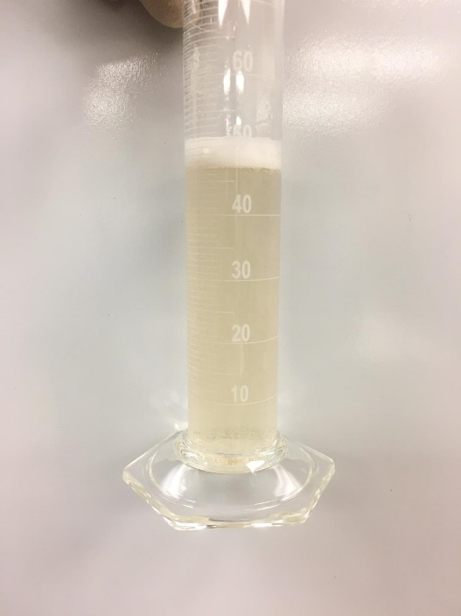
After
81 | 11 | 83 | 12.904 | 78 | 18.065
 | 1 lb/bbl |  | 3 lb/bbl |  | 5 lb/bbl
81 | 11 | 83 | 12.904 | 78 | 18.065
82 | 11.5 | 83 | 13.364 | 78 | 17.947
83 | 11.2 | 84 | 13.588 | 79 | 18.097
84.6 | 11.3 | 86 | 13.807 | 80 | 17.744
86.6 | 11 | 88 | 13.654 | 82.8 | 16.386
89.6 | 11.2 | 91 | 13.603 | 86 | 15.904
93.2 | 11.6 | 95 | 13.847 | 90 | 15.212
97.4 | 11.222 | 99.4 | 14.173 | 94.6 | 13.909
102.4 | 11.45 | 104.2 | 13.817 | 100 | 13.759
107.4 | 11.323 | 109.6 | 14.195 | 105.4 | 13.026
113 | 12.098 | 115.2 | 13.62 | 111.2 | 13.155
119 | 10.317 | 121 | 13.472 | 117.2 | 11.874
125 | 9.376 | 127 | 13.939 | 123.4 | 11.646
131.2 | 11.64 | 133 | 13.357 | 129.6 | 9.705
137.4 | 10.982 | 139.2 | 13.279 | 135.4 | 8.344
143.4 | 9.133 | 145.4 | 12.934 | 141.4 | 7.966
149.6 | 10.458 | 152 | 12.923 | 147.4 | 7.716
156 | 10.529 | 158.8 | 12.756 | 153.6 | 5.926
162.6 | 9.088 | 165.6 | 11.997 | 160.6 | 5.079
169.2 | 9.148 | 172.4 | 12.175 | 168.4 | 4.363
175.4 | 9.722 | 179 | 12.308 | 175.6 | 3.987
181.6 | 9.249 | 185.2 | 12.164 | 182.6 | 4.563
187.6 | 9.597 | 191.4 | 10.888 | 189.2 | 3.621
193.6 | 9.116 | 197.2 | 11.811 | 195.2 | 4.529
199.2 | 8.192 | 203 | 11.63 | 200.8 | 4.264
205 | 8.852 | 208.4 | 11.126 | 206.2 | 4.592
211 | 9.139 | 214.4 | 11.441 | 211.8 | 2.867
216.6 | 7.584 | 220.6 | 10.981 | 217.8 | 3.468
222.8 | 7.849 | 226.6 | 10.595 | 224.2 | 3.361
229.2 | 6.575 | 232.6 | 11.293 | 230.6 | 4.116
235.6 | 4.591 | 238.6 | 10.477 | 237 | 3.202
242 | 5.956 | 244.4 | 10.14 | 243 | 3.213
248.4 | 5.807 | 250.2 | 10.132 | 249 | 2.989
255.2 | 4.608 | 256 | 10.533 | 255 | 1.998
262 | 5.053 | 261.8 | 10.251 | 260.8 | 1.627
268.8 | 5.034 | 268.2 | 10.288 | 266.6 | 1
275.4 | 6.966 | 274.6 | 10.106 | 272.6 | 1
281.8 | 6.915 | 280.8 | 9.999 | 278.2 | 1
288.8 | 6.5 | 286.8 | 9.498 | 283.8 | 1
294.6 | 6.45 | 292.6 | 8.864 | 289.8 | 1
299.6 | 5.5 | 298.2 | 9.928 | 295.8 | 1
305.2 | 6.336 | 304 | 9.387 | 301.8 | 1
310.6 | 5.945 | 309.8 | 9.824 | 307.8 | 1
316.2 | 3.623 | 316.4 | 8.89 | 313.8 | 1
321.4 | 4.244 | 323 | 9.131 | 320 | 1
325 | 4.678 | 329 | 9.089 | 326.8 | 1
328 | 4.3 | 334.8 | 9.114 | 333.6 | 1
333.8 | 4.555 | 340.2 | 9.194 | 341.2 | 1
340 | 4.5 | 346 | 9.011 | 348 | 1
346.4 | 4.818 | 351 | 8.199 | 353.8 | 1
...
82 | 11.5 | 83 | 13.364 | 78 | 17.947
83 | 11.2 | 84 | 13.588 | 79 | 18.097
84.6 | 11.3 | 86 | 13.807 | 80 | 17.744
86.6 | 11 | 88 | 13.654 | 82.8 | 16.386
89.6 | 11.2 | 91 | 13.603 | 86 | 15.904
93.2 | 11.6 | 95 | 13.847 | 90 | 15.212
97.4 | 11.222 | 99.4 | 14.173 | 94.6 | 13.909
102.4 | 11.45 | 104.2 | 13.817 | 100 | 13.759
107.4 | 11.323 | 109.6 | 14.195 | 105.4 | 13.026
113 | 12.098 | 115.2 | 13.62 | 111.2 | 13.155
119 | 10.317 | 121 | 13.472 | 117.2 | 11.874
125 | 9.376 | 127 | 13.939 | 123.4 | 11.646
131.2 | 11.64 | 133 | 13.357 | 129.6 | 9.705
137.4 | 10.982 | 139.2 | 13.279 | 135.4 | 8.344
143.4 | 9.133 | 145.4 | 12.934 | 141.4 | 7.966
149.6 | 10.458 | 152 | 12.923 | 147.4 | 7.716
156 | 10.529 | 158.8 | 12.756 | 153.6 | 5.926
162.6 | 9.088 | 165.6 | 11.997 | 160.6 | 5.079
169.2 | 9.148 | 172.4 | 12.175 | 168.4 | 4.363
175.4 | 9.722 | 179 | 12.308 | 175.6 | 3.987
181.6 | 9.249 | 185.2 | 12.164 | 182.6 | 4.563
187.6 | 9.597 | 191.4 | 10.888 | 189.2 | 3.621
193.6 | 9.116 | 197.2 | 11.811 | 195.2 | 4.529
199.2 | 8.192 | 203 | 11.63 | 200.8 | 4.264
205 | 8.852 | 208.4 | 11.126 | 206.2 | 4.592
211 | 9.139 | 214.4 | 11.441 | 211.8 | 2.867
216.6 | 7.584 | 220.6 | 10.981 | 217.8 | 3.468
222.8 | 7.849 | 226.6 | 10.595 | 224.2 | 3.361
229.2 | 6.575 | 232.6 | 11.293 | 230.6 | 4.116
235.6 | 4.591 | 238.6 | 10.477 | 237 | 3.202
242 | 5.956 | 244.4 | 10.14 | 243 | 3.213
248.4 | 5.807 | 250.2 | 10.132 | 249 | 2.989
255.2 | 4.608 | 256 | 10.533 | 255 | 1.998
262 | 5.053 | 261.8 | 10.251 | 260.8 | 1.627
268.8 | 5.034 | 268.2 | 10.288 | 266.6 | 1
275.4 | 6.966 | 274.6 | 10.106 | 272.6 | 1
281.8 | 6.915 | 280.8 | 9.999 | 278.2 | 1
288.8 | 6.5 | 286.8 | 9.498 | 283.8 | 1
294.6 | 6.45 | 292.6 | 8.864 | 289.8 | 1
299.6 | 5.5 | 298.2 | 9.928 | 295.8 | 1
305.2 | 6.336 | 304 | 9.387 | 301.8 | 1
310.6 | 5.945 | 309.8 | 9.824 | 307.8 | 1
316.2 | 3.623 | 316.4 | 8.89 | 313.8 | 1
321.4 | 4.244 | 323 | 9.131 | 320 | 1
325 | 4.678 | 329 | 9.089 | 326.8 | 1
328 | 4.3 | 334.8 | 9.114 | 333.6 | 1
333.8 | 4.555 | 340.2 | 9.194 | 341.2 | 1
340 | 4.5 | 346 | 9.011 | 348 | 1
346.4 | 4.818 | 351 | 8.199 | 353.8 | 1
352.2 | 3.687 | 355.8 | 9.319 | 359.2 | 1
357.2 | 2.263 | 360 | 9.505 | 364 | 1
361.4 | 1.486 | 363.8 | 9.027
365 | 1.628 | 367 | 8.778
368 | 2.736 | 369 | 8.589
370 | 2.3 | 371 | 8.207
371 | 1.309 | 372 | 9.119
372 | 0.702 | 373 | 8.847
373 | 0.416 | 374 | 8.691
 |  | 374.8 | 8.851

THERMA-VIS
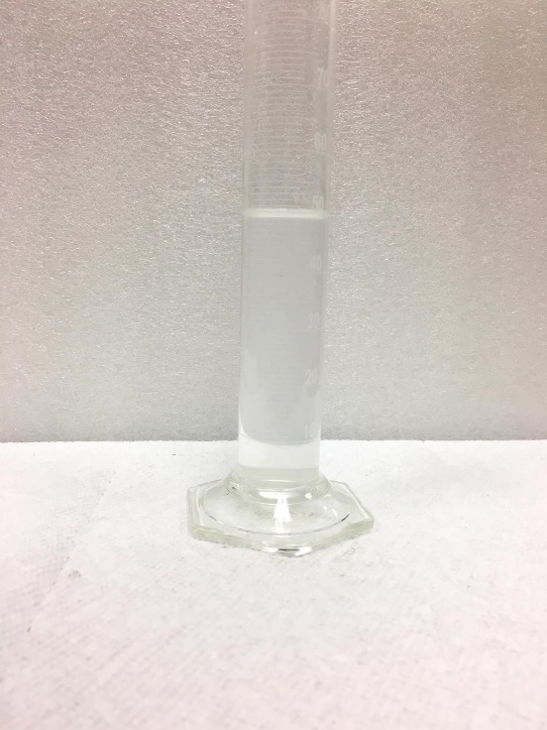
Before
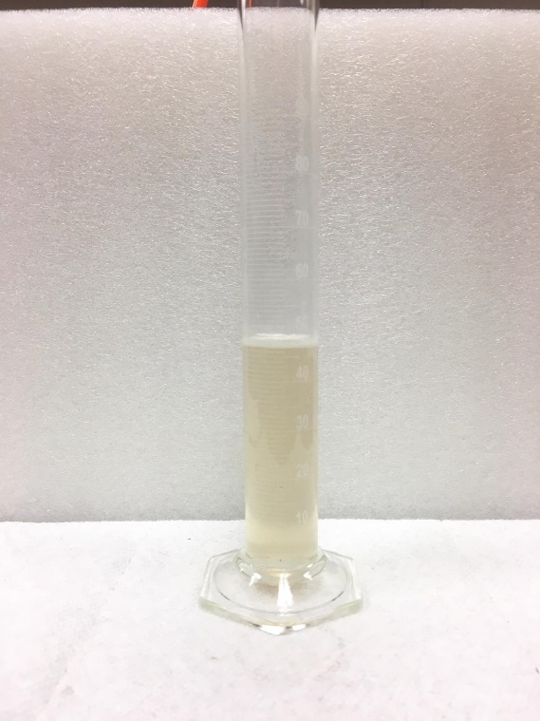
After
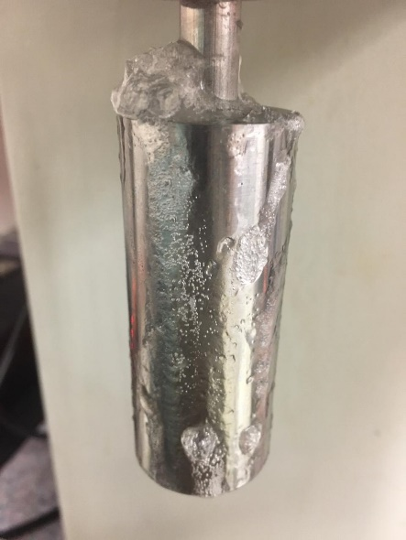
5 lb/bbl
THERMA-VIS |  |  |  |  |  |  |  | THERMA-VIS (3 lb/bbl) |  |  |  |  | THERMA-VIS (3 lb/bbl)
1 lb/bbl |  | 2 lb/bbl |  | 3 lb/bbl |  | 5 lb/bbl |  | Shear Rate, 1/s | Viscosity, mPa.s |  |  |  | Time, min | Temperature, ℉ | Apparent Viscosity, mPa.s
Temperature | Apparent viscosity, cP | Temperature | Apparent viscosity, cP | Temperature | Apparent viscosity, cP | Temperature | Apparent viscosity, cP |  | 100 ℉ | 200 ℉ | 300 ℉ | 350 ℉ | 1.24 | 65 | 15.289
64 | 4.182 | 77 | 5.337 | 71 | 16.817 | 73 | 34.865 | 0.01 | 54509.899 | 76408.081 | 130632.323 | 155062.02 | 2.25 | 65 | 15.538
 | 1 lb/bbl |  | 2 lb/bbl |  | 3 lb/bbl |  | 5 lb/bbl
64 | 4.182 | 77 | 5.337 | 71 | 16.817 | 73 | 34.865
64 | 4.552 | 80 | 5.132 | 72.4 | 16.956 | 74 | 34.579
64 | 5.088 | 82 | 6.98 | 74 | 17.3 | 75 | 34.658
65 | 5.473 | 83.8 | 7.094 | 75.6 | 17.755 | 76.8 | 34.651
66 | 6.568 | 85 | 7.825 | 77 | 17.586 | 78.8 | 34.1
68.6 | 6.687 | 87 | 8.649 | 79.2 | 18.584 | 81.2 | 34.334
72.8 | 7.155 | 90.2 | 8.824 | 82.6 | 18.676 | 85 | 33.992
77.6 | 6.468 | 94 | 9.501 | 86.6 | 18.925 | 89 | 34.552
83.4 | 7.528 | 98 | 9.987 | 91.4 | 20.28 | 93.4 | 33.947
89.6 | 8.181 | 102.8 | 10.066 | 96.2 | 21.265 | 98.6 | 33.675
95.8 | 9.113 | 108 | 10.35 | 101.8 | 20.961 | 104.2 | 33.166
102.4 | 8.669 | 113.8 | 10.378 | 107.6 | 22.277 | 109.8 | 33.453
108.6 | 9.732 | 119.6 | 11.736 | 113.4 | 22.974 | 115.8 | 32.758
115.4 | 10.977 | 125.6 | 11.777 | 119.6 | 24.932 | 122.2 | 32.274
121.8 | 10.725 | 132.4 | 11.849 | 126 | 25.531 | 128.4 | 32.339
128.2 | 11.619 | 138.6 | 12.458 | 132.2 | 25.651 | 135 | 31.348
134.4 | 12.649 | 144.8 | 13.478 | 138.4 | 27.424 | 141.2 | 31.416
140.8 | 12.849 | 151.2 | 12.835 | 144.8 | 27.115 | 148 | 31.518
147.6 | 13.607 | 157.6 | 13.26 | 151.4 | 28.403 | 154.4 | 31.299
154.6 | 13.87 | 164.2 | 12.308 | 158.4 | 30.061 | 160.8 | 30.876
161.6 | 14.596 | 170.6 | 13.475 | 166.2 | 29.911 | 167.4 | 31.156
168.6 | 15.607 | 177.2 | 14.103 | 173.4 | 31.836 | 173.8 | 31.075
175.4 | 15.781 | 183.6 | 13.685 | 180.6 | 31.896 | 180.4 | 31.401
182.2 | 16.451 | 190.2 | 13.621 | 187.6 | 33.558 | 187 | 31.526
188.8 | 16.617 | 196.2 | 13.951 | 194 | 34.269 | 193.2 | 32.193
195.4 | 16.8 | 202.2 | 15.857 | 200.2 | 35.819 | 199.2 | 32.505
201.6 | 15.47 | 208.6 | 16.822 | 206.2 | 37.803 | 205.2 | 33.728
207.8 | 14.204 | 215.2 | 15.419 | 212.2 | 39.155 | 211.2 | 34.565
213.8 | 13.411 | 221.4 | 16.472 | 218.2 | 40.731 | 217.4 | 35.969
220.2 | 13.159 | 227.6 | 16.91 | 224 | 42.49 | 223.6 | 37.421
226.6 | 12.547 | 234 | 17.31 | 229.8 | 43.634 | 229.8 | 38.952
232.6 | 13.313 | 240.6 | 17.976 | 236 | 44.664 | 236.2 | 41.386
238.8 | 14.38 | 247.4 | 18.262 | 242.2 | 47.033 | 241.6 | 43.642
245.4 | 14.474 | 254.4 | 19.208 | 248.8 | 48.452 | 247 | 46.46
251.8 | 15.017 | 261 | 18.55 | 255.6 | 49.931 | 253 | 49.893
258.2 | 15.751 | 267.8 | 20.691 | 262.4 | 51.62 | 259.8 | 53.283
264.4 | 16.864 | 274.4 | 18.798 | 268.8 | 51.97 | 266.4 | 57.463
270.8 | 17.055 | 281 | 19.922 | 275.4 | 53.799 | 273.4 | 62.58
277.2 | 18.022 | 287.4 | 21.292 | 282 | 55.002 | 280.2 | 67.048
283.8 | 17.694 | 294 | 21.448 | 288.2 | 55.844 | 287.2 | 72.456
289.6 | 18.3 | 300.2 | 20.714 | 294.4 | 57.319 | 293.8 | 77.187
295.8 | 19.951 | 306.6 | 20.776 | 300.6 | 59.49 | 300.4 | 80.71
302 | 19.943 | 312.8 | 21.262 | 306.8 | 59.418 | 307.2 | 82.879
308.2 | 20.796 | 319 | 21.103 | 313.2 | 59.79 | 314 | 83.608
314.4 | 21.609 | 325.2 | 20.855 | 319.6 | 61.05 | 320.4 | 87.036
320.6 | 21.705 | 331.2 | 21.491 | 325.8 | 60.986 | 326.6 | 87.905
326.8 | 22.261 | 337.2 | 21.369 | 332.2 | 62.231 | 333.2 | 85.732
333 | 22.804 | 343.2 | 22.063 | 338.2 | 62.139 | 339.4 | 85.369
339 | 22.524 | 349.2 | 21.621 | 344.8 | 61.213 | 345.6 | 82.116
345.4 | 23.964 | 355.6 | 22.097 | 351.2 | 60.14 | 351.6 | 79.81
...
64 | 4.552 | 80 | 5.132 | 72.4 | 16.956 | 74 | 34.579 | 0.02 | 28444.824 | 52107.437 | 67432.563 | 77918.09 | 3.26 | 66 | 17.641
64 | 5.088 | 82 | 6.98 | 74 | 17.3 | 75 | 34.658 | 0.03 | 24974.181 | 50660.334 | 44987.559 | 54496.254 | 4.27 | 66 | 16.513
65 | 5.473 | 83.8 | 7.094 | 75.6 | 17.755 | 76.8 | 34.651 | 0.05 | 21858.28 | 28548.08 | 26039.6 | 38590.92 | 5.28 | 68 | 18.091
66 | 6.568 | 85 | 7.825 | 77 | 17.586 | 78.8 | 34.1 | 0.1 | 11721.26 | 13701.92 | 14758.62 | 23368.64 | 6.3 | 70 | 17.955
68.6 | 6.687 | 87 | 8.649 | 79.2 | 18.584 | 81.2 | 34.334 | 0.2 | 6060.28 | 6952.52 | 8202.19 | 14070.4 | 7.31 | 74.4 | 17.739
72.8 | 7.155 | 90.2 | 8.824 | 82.6 | 18.676 | 85 | 33.992 | 0.3 | 4031.957 | 4680.493 | 5291.704 | 9405.042 | 8.32 | 79.2 | 19.294
77.6 | 6.468 | 94 | 9.501 | 86.6 | 18.925 | 89 | 34.552 | 0.5 | 2557.996 | 2851.722 | 2975.019 | 5235.755 | 9.33 | 84.8 | 19.552
83.4 | 7.528 | 98 | 9.987 | 91.4 | 20.28 | 93.4 | 33.947 | 1 | 1330.612 | 1572.708 | 1447.228 | 2170.112 | 10.34 | 90.6 | 20.584
89.6 | 8.181 | 102.8 | 10.066 | 96.2 | 21.265 | 98.6 | 33.675 | 2 | 730.646 | 792.004 | 732.484 | 1287.426 | 11.36 | 96.6 | 20.945
95.8 | 9.113 | 108 | 10.35 | 101.8 | 20.961 | 104.2 | 33.166 | 3 | 499.119 | 523.181 | 552.08 | 800.108 | 12.37 | 102.8 | 21.442
102.4 | 8.669 | 113.8 | 10.378 | 107.6 | 22.277 | 109.8 | 33.453 | 5 | 311.848 | 331.426 | 235.992 | 349.984 | 13.38 | 109 | 20.976
108.6 | 9.732 | 119.6 | 11.736 | 113.4 | 22.974 | 115.8 | 32.758 | 10 | 179.039 | 187.932 | 140.215 | 227.925 | 14.39 | 115.4 | 21.791
115.4 | 10.977 | 125.6 | 11.777 | 119.6 | 24.932 | 122.2 | 32.274 | 17.8 | 107.53 | 104.964 | 105.707 | 210.125 | 15.41 | 121.8 | 22.212
121.8 | 10.725 | 132.4 | 11.849 | 126 | 25.531 | 128.4 | 32.339 | 31.6 | 64.076 | 60.287 | 77.916 | 132.18 | 16.42 | 128 | 21.637
128.2 | 11.619 | 138.6 | 12.458 | 132.2 | 25.651 | 135 | 31.348 | 56.2 | 38.916 | 32.626 | 51.763 | 63.257 | 17.43 | 134.4 | 22.284
134.4 | 12.649 | 144.8 | 13.478 | 138.4 | 27.424 | 141.2 | 31.416 | 100 | 22.128 | 17.331 | 22.619 | 37.863 | 18.45 | 140.8 | 21.665
140.8 | 12.849 | 151.2 | 12.835 | 144.8 | 27.115 | 148 | 31.518 | 178 | 13.119 | 9.234 | 14.172 | 24.607 | 19.46 | 147.4 | 22.159
147.6 | 13.607 | 157.6 | 13.26 | 151.4 | 28.403 | 154.4 | 31.299 | 316 | 11.143 | 7.387 | 9.499 | 16.851 | 20.47 | 154.2 | 21.608
154.6 | 13.87 | 164.2 | 12.308 | 158.4 | 30.061 | 160.8 | 30.876 | 510 | 7.926 | 5.524 | 7.725 | 11.809 | 21.48 | 161.4 | 22.356
161.6 | 14.596 | 170.6 | 13.475 | 166.2 | 29.911 | 167.4 | 31.156 |  |  |  |  |  | 22.5 | 168.2 | 22.075
168.6 | 15.607 | 177.2 | 14.103 | 173.4 | 31.836 | 173.8 | 31.075 |  |  |  |  |  | 23.51 | 174.8 | 22.785
175.4 | 15.781 | 183.6 | 13.685 | 180.6 | 31.896 | 180.4 | 31.401 |  |  |  |  |  | 24.52 | 181.4 | 21.81
182.2 | 16.451 | 190.2 | 13.621 | 187.6 | 33.558 | 187 | 31.526 |  |  |  |  |  | 25.53 | 187.6 | 22.83
188.8 | 16.617 | 196.2 | 13.951 | 194 | 34.269 | 193.2 | 32.193 |  |  |  |  |  | 26.54 | 193.8 | 22.344
195.4 | 16.8 | 202.2 | 15.857 | 200.2 | 35.819 | 199.2 | 32.505 |  |  |  |  |  | 27.56 | 199.2 | 23.126
201.6 | 15.47 | 208.6 | 16.822 | 206.2 | 37.803 | 205.2 | 33.728 |  |  |  |  |  | 28.57 | 204.6 | 23.02
207.8 | 14.204 | 215.2 | 15.419 | 212.2 | 39.155 | 211.2 | 34.565 |  |  |  |  |  | 29.58 | 210 | 24.044
213.8 | 13.411 | 221.4 | 16.472 | 218.2 | 40.731 | 217.4 | 35.969 |  |  |  |  |  | 30.59 | 215.8 | 24.109
220.2 | 13.159 | 227.6 | 16.91 | 224 | 42.49 | 223.6 | 37.421 |  |  |  |  |  | 31.61 | 222.2 | 24.929
226.6 | 12.547 | 234 | 17.31 | 229.8 | 43.634 | 229.8 | 38.952 |  |  |  |  |  | 32.62 | 228.4 | 25.114
232.6 | 13.313 | 240.6 | 17.976 | 236 | 44.664 | 236.2 | 41.386 |  |  |  |  |  | 33.63 | 234.8 | 25.467
238.8 | 14.38 | 247.4 | 18.262 | 242.2 | 47.033 | 241.6 | 43.642 |  |  |  |  |  | 34.64 | 241.6 | 25.778
245.4 | 14.474 | 254.4 | 19.208 | 248.8 | 48.452 | 247 | 46.46 |  |  |  |  |  | 35.66 | 248.2 | 26.491
251.8 | 15.017 | 261 | 18.55 | 255.6 | 49.931 | 253 | 49.893 |  |  |  |  |  | 36.67 | 254.8 | 27.236
258.2 | 15.751 | 267.8 | 20.691 | 262.4 | 51.62 | 259.8 | 53.283 |  |  |  |  |  | 37.68 | 261.6 | 28.074
264.4 | 16.864 | 274.4 | 18.798 | 268.8 | 51.97 | 266.4 | 57.463 |  |  |  |  |  | 38.69 | 268 | 28.377
270.8 | 17.055 | 281 | 19.922 | 275.4 | 53.799 | 273.4 | 62.58 |  |  |  |  |  | 39.7 | 274.4 | 28.545
277.2 | 18.022 | 287.4 | 21.292 | 282 | 55.002 | 280.2 | 67.048 |  |  |  |  |  | 40.71 | 281.2 | 28.761
283.8 | 17.694 | 294 | 21.448 | 288.2 | 55.844 | 287.2 | 72.456 |  |  |  |  |  | 41.73 | 287.4 | 29.269
289.6 | 18.3 | 300.2 | 20.714 | 294.4 | 57.319 | 293.8 | 77.187 |  |  |  |  |  | 42.74 | 293.6 | 29.163
295.8 | 19.951 | 306.6 | 20.776 | 300.6 | 59.49 | 300.4 | 80.71 |  |  |  |  |  | 43.75 | 299.8 | 29.683
302 | 19.943 | 312.8 | 21.262 | 306.8 | 59.418 | 307.2 | 82.879 |  |  |  |  |  | 44.76 | 306.4 | 29.372
308.2 | 20.796 | 319 | 21.103 | 313.2 | 59.79 | 314 | 83.608 |  |  |  |  |  | 45.78 | 312.4 | 29.778
314.4 | 21.609 | 325.2 | 20.855 | 319.6 | 61.05 | 320.4 | 87.036 |  |  |  |  |  | 46.79 | 318.6 | 29.19
320.6 | 21.705 | 331.2 | 21.491 | 325.8 | 60.986 | 326.6 | 87.905 |  |  |  |  |  | 47.8 | 324.8 | 29.979
326.8 | 22.261 | 337.2 | 21.369 | 332.2 | 62.231 | 333.2 | 85.732 |  |  |  |  |  | 48.81 | 330.2 | 28.45
333 | 22.804 | 343.2 | 22.063 | 338.2 | 62.139 | 339.4 | 85.369 |  |  |  |  |  | 49.82 | 335 | 28.427
339 | 22.524 | 349.2 | 21.621 | 344.8 | 61.213 | 345.6 | 82.116 |  |  |  |  |  | 50.83 | 339.2 | 28.898
345.4 | 23.964 | 355.6 | 22.097 | 351.2 | 60.14 | 351.6 | 79.81 |  |  |  |  |  | 51.85 | 342.6 | 28.871
351.6 | 24.053 | 361.8 | 20.701 | 357.2 | 60.15 | 357.6 | 74.965 |  |  |  |  |  | 52.86 | 345 | 27.919
357.4 | 23.326 | 366.4 | 21.992 | 363 | 61.349 | 363.2 | 71.345 |  |  |  |  |  | 53.88 | 347 | 27.866
363.2 | 24.028 | 370.2 | 22.47 | 367.8 | 60.732 | 368 | 67.637 |  |  |  |  |  | 54.89 | 348 | 28.071
368 | 24.008 | 374 | 22.067 | 372 | 61.101 | 372 | 63.831 |  |  |  |  |  | 55.9 | 349 | 27.43
372 | 24.766 | 377 | 21.717 | 375 | 60.576 | 375.4 | 59.882 |  |  |  |  |  | 56.91 | 350 | 27.669
375.8 | 25.023 | 379 | 22.011 | 377.2 | 60.477 | 378 | 56.114 |  |  |  |  |  | 57.93 | 350 | 26.868
378.2 | 24.623 | 381 | 21.145 | 379 | 59.977 | 380 | 52.868 |  |  |  |  |  | 58.94 | 350 | 26.622
380.4 | 25.444 | 382 | 21.728 | 380.2 | 60.279 | 381 | 53.13 |  |  |  |  |  | 59.95 | 350 | 26.644
382 | 25.385 | 382.6 | 22.044 | 381 | 59.757 | 382 | 51.341 |  |  |  |  |  | 76.86 | 342 | 25.504
 |  |  |  |  |  |  |  |  |  |  |  |  | 93.72 | 341 | 26.624
 |  |  |  |  |  |  |  |  |  |  |  |  | 110.58 | 340.8 | 26.498
 |  |  |  |  |  |  |  |  |  |  |  |  | 127.42 | 341 | 27.349
 |  |  |  |  |  |  |  |  |  |  |  |  | 144.28 | 341 | 26.977
 |  |  |  |  |  |  |  |  |  |  |  |  | 161.14 | 341 | 26.158
 |  |  |  |  |  |  |  |  |  |  |  |  | 177.99 | 341 | 25.936

