5-31 NaCl
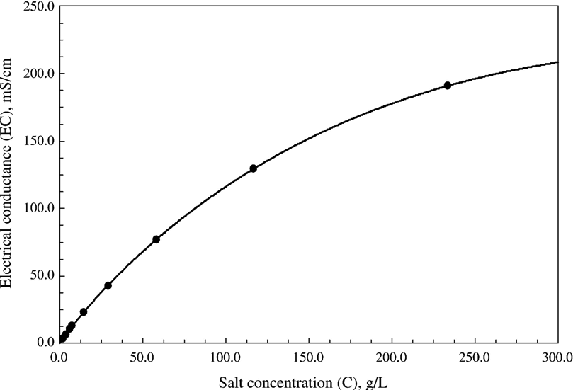
First tracer test. NaCl injection from TUI to TNI initial test
might be some issues with these calculations. Not very good notes
Don't use this for analyses, tail is on an RO change which likely will effect the dispersion slope. Uncertainty of injected amount.
Injection Date | 2022-05-31 |  |  | Conc | 105.5 mS/cm
Injection start | 22:21 uct |  |  | vol | 256 | looked like full cylinder based off of Quizix reading
Tracer injection rate | 50.00 | ml/min | 400??
Triplex injection rate | 3400 | ml/min |  | mg/l via640 scale | 67520 | mg/l | 87900 | using curve | better
 |  |  |  |  | 17285.12 | mg | 22502.4 | mg injected
second peak would suggest 50 ml min |  |  |  |  |  |  |  |  |  | quizix on | 21.26 | 400
 |  |  |  |  |  |  |  |  |  |  | 21.39
 | vol ml | conc mg/l | rate
 | 300 | 57756 | 50
 | 550 | 9410 | 50
 | 550 | 0 | 50
 | 550 | 0 | 50
 |  |  |  |  |  |  |  |  |  |  | 13 mins on
580 ml/min |  |  |  |  |  |  |  |  |  |  |  | 5200
 |  |  |  | TDS via 640 scale
 |  |  |  |  | background removed |  |  |  |  |  |  |  | 21.26 | ec drops for ~1000 to `100
time from injection | EC | Delta EC from previous RO injection |  |  |  |  |  |  |  |  | 22.46 | 400
min | uS/cm |  |  | mg/l | mg/l |  | cum delta salt mg
4 | 1249.1 | -3.3 |  | 799.4 | -2.1
9 | 1249.5 | -5.0 |  | 799.7 | -3.2 |  |  |  |  |  | bv403
14 | 1248.6 | -3.8 |  | 799.1 | -2.4 |  |  |  |  |  | 81513 | 22.21 |  | flow rate is zero
19 | 1252.7 | -2.3 |  | 801.7 | -1.5 |  |  |  |  |  | 81590 | 22.23
24 | 1255.9 | 1.7 |  | 803.8 | 1.1
29 | 1256.7 | 1.2 |  | 804.3 | 0.8 |  |  |  |  |  | 77 | 400 | 513.33333333 | max possible input ml/min
34 | 1259.9 | 0.7 |  | 806.3 | 0.4 |  |  |  |  |  |  |  |  | less than one cylinder
39 | 1257.3 | -1.3 |  | 804.7 | -0.8
44 | 1256.1 | -4.3 |  | 803.9 | -2.7
49 | 1261.6 | 0.5 |  | 807.4 | 0.3
54 | 1295.3 | 35.0 |  | 829.0 | 22.4 |  | 381
59 | 1351.3 | 91.6 |  | 864.8 | 58.6 |  | 1378
64 | 1380.4 | 119.1 |  | 883.5 | 76.2 |  | 2674
69 | 1385.8 | 122.8 |  | 886.9 | 78.6 |  | 4010
74 | 1386.8 | 120.6 |  | 887.6 | 77.2 |  | 5322
79 | 1380.9 | 114.0 |  | 883.8 | 73.0 |  | 6563
84 | 1373.2 | 110.2 |  | 878.9 | 70.5 |  | 7762
89 | 1359.7 | 97.9 |  | 870.2 | 62.7 |  | 8827
94 | 1343.4 | 90.7 |  | 859.8 | 58.0 |  | 9814
99 | 1338.1 | 94.7 |  | 856.4 | 60.6 |  | 10844
104 | 1324.9 | 91.1 |  | 847.9 | 58.3 |  | 11834
109 | 1305.5 | 81.2 |  | 835.5 | 52.0 |  | 12718
114 | 1289.0 | 73.2 |  | 824.9 | 46.9 |  | 13515
119 | 1273.6 | 64.9 |  | 815.1 | 41.5 |  | 14221
124 | 1255.3 | 51.0 |  | 803.4 | 32.6 |  | 14775
129 | 1246.3 | 48.6 |  | 797.6 | 31.1 |  | 15303
134 | 1233.7 | 40.1 |  | 789.6 | 25.6 |  | 15739
139 | 1227.8 | 31.6 |  | 785.8 | 20.2 |  | 16083
144 | 1220.5 | 28.0 |  | 781.1 | 17.9 |  | 16387
149 | 1212.5 | 19.7 |  | 776.0 | 12.6 |  | 16602
154 | 1210.2 | 18.7 |  | 774.5 | 12.0 |  | 16805
159 | 1206.0 | 14.6 |  | 771.8 | 9.4 |  | 16965
164 | 1202.1 | 8.0 |  | 769.3 | 5.1 |  | 17052
169 | 1194.7 | 4.2 |  | 764.6 | 2.7 |  | 17098
174 | 1193.0 | 2.5 |  | 763.5 | 1.6 |  | 17125
179 | 1192.4 | 3.0 |  | 763.2 | 1.9 |  | 17157
184 | 1189.7 | 2.5 |  | 761.4 | 1.6 |  | 17185
189 | 1187.4 | 0.5 |  | 759.9 | 0.3 |  | 17190
194 | 1184.7 | 1.7 |  | 758.2 | 1.1 |  | 17209
199 | 1187.3 | 2.9 |  | 759.9 | 1.8 |  | 17240
204 | 1184.1 | 0.4 |  | 757.8 | 0.3 |  | 17245
209 | 1182.2 | -2.2 |  | 756.6 | -1.4 |  |  | 76.6 | % assumeing 250 injected |  | dissolution??
214 | 1180.3 | -0.2 |  | 755.4 | -0.1 |  |  | next day…
219 | 1182.1 | -2.7 |  | 756.6 | -1.7 |  |  | fluorescein was about 34%
224 | 1185.5 | -0.7 |  | 758.7 | -0.4 |  |  | water recoverywas about 16 %
229 | 1188.6 | -5.4 |  | 760.7 | -3.5

5-26 Quizix
EC Tracer Injection Hose Test 5-26-22
 | Expected | Measured
 | 0 | 0.497
 | 177.2 | 0.469
 | 177.2 | 140.4
 | 0 | 120.6
 |  | 134.8
 |  | 141.1
 |  | 142.5
 |  | 143.5
 |  | 105.4
 |  | 50.25
 |  | 40.84
 |  | 38.81
EC Tracer Injection Hose Test 5-26-22
 | Calculated Expected | Calculated Measure | Calculate CXTFIT
 | 0 | 0.2
 | 201.5 | 0.2
 | 201.5 | 134.2
 | 0 | 106
 |  | 125.1
 |  | 134.3
 |  | 136.4
 |  | 138
 |  | 87.7
 |  | 34.8
 |  | 28.1
 |  | 25.7
Quizix tracer injection test |  |  |  |  |  | 25 feet |  |  |  |  |  |  | vol | sec | con
flow 200 ml/min |  |  |  |  | 200 ml/min | SpirStar hose volume |  | 208 | ml |  |  |  | 0 | 0 | 0.00E+00
one cylinder salt water 177 mS |  |  | (201.1 g/l) |  |  |  |  |  |  |  |  |  | 33 | 10 | 1.92E-04
one cylinder mine water 490 uS |  |  | (0.2 g/l) |  |  |  |  |  |  |  |  |  | 67 | 20 | 7.17E-01
outflow was tracer injection drain near packer panel |  |  |  |  |  |  |  |  |  |  |  |  | 100 | 30 | 9.63E+00
 |  |  |  |  |  |  |  |  |  |  |  |  | 133 | 40 | 3.17E+01
5-26/22 at ~4:30pm |  |  |  |  |  |  |  |  |  |  |  |  | 167 | 50 | 5.98E+01
 |  |  |  |  |  |  |  |  |  |  |  |  | 200 | 60 | 8.63E+01
purged line with mine water until steady outflow |  |  |  |  |  |  |  |  |  |  |  |  | 233 | 70 | 1.08E+02
slight pause between salt and mine water cylinder switch |  |  |  |  |  |  |  |  |  |  |  |  | 267 | 80 | 1.23E+02
 |  |  |  |  |  |  |  |  |  |  |  |  | 300 | 90 | 1.34E+02
 |  |  |  |  |  |  |  |  |  |  |  |  | 333 | 100 | 1.42E+02
 |  |  |  |  |  | eff vol ml | eff mass g | cum mass |  |  |  |  | 367 | 110 | 1.46E+02
sample # | time | Volume (ml) | EC (mS) | g/l | ave max |  |  |  |  |  |  |  | 400 | 120 | 1.50E+02
1 | 0.00 | 0 | 0.497 | 0.2 |  | 50 | 0 | 0 |  |  |  |  | 433 | 130 | 1.52E+02
2 | 30.00 | 100 | 0.469 | 0.2 |  | 100 | 0 | 0 |  |  |  |  | 467 | 140 | 1.53E+02
3 | 60.00 | 200 | 140.4 | 134.2 | 129 | 100 | 13 | 13 |  | non-linear analysis to relate EC (mS/cm) to C (g/l) |  |  | 500 | 150 | 1.54E+02
4 | 90.00 | 300 | 120.6 | 106 |  | 100 | 11 | 24 |  | EC | Conc |  | 533 | 160 | 1.54E+02
5 | 120.00 | 400 | 134.8 | 125.1 |  | 100 | 13 | 37 |  | 176.53115092 | 200 | Role of direction of salt migration on the swelling behaviour of compacted clays | 567 | 170 | 1.54E+02
6 | 150.00 | 500 | 141.1 | 134.3 |  | 100 | 13 | 50 |  | 176.57398997 | 200.1 | Sudhakar M. Rao a,⁎, T. Thyagaraj b | 600 | 180 | 1.55E+02
7 | 180.00 | 600 | 142.5 | 136.4 |  | 100 | 14 | 64 |  | 176.61679858 | 200.2 | Applied Clay Science 38 (2007) 113–129 | 633 | 190 | 1.52E+02
8 | 210.00 | 700 | 143.5 | 138 |  | 100 | 14 | 77 |  | 176.65957675 | 200.3 |  | 667 | 200 | 1.41E+02
9 | 240.00 | 800 | 105.4 | 87.7 |  | 100 | 9 | 86 |  | 176.7023245 | 200.4 |  | 700 | 210 | 1.23E+02
10 | 270.00 | 900 | 50.25 | 34.8 |  | 100 | 3 | 90 |  | 176.74504184 | 200.5 |  | 733 | 220 | 1.03E+02
11 | 300.00 | 1000 | 40.84 | 28.1 |  | 100 | 3 | 92 |  | 176.78772878 | 200.6 |  | 767 | 230 | 8.63E+01
12 | 330.00 | 1100 | 38.81 | 25.7 |  | 100 | 3 | 95 |  | 176.83038534 | 200.7 |  | 800 | 240 | 7.34E+01
 |  |  | ec | conc |  |  |  |  |  | 176.87301153 | 200.8 |  | 833 | 250 | 6.41E+01
every 30 sec |  | 208 | 0 | 0 |  |  | 95 |  |  | 176.91560737 | 200.9 |  | 867 | 260 | 5.78E+01
 |  | 208 | 177.2 | 201.1 |  |  |  |  |  | 176.95817286 | 201 |  | 900 | 270 | 5.36E+01
 |  | 748 | 177.2 | 201.1 |  | 550 | 111 |  |  | 177.00070803 | 201.1 |  | 933 | 280 | 5.08E+01
 |  | 748 | 0 | 0 |  |  |  |  |  | 177.04321288 | 201.2 |  | 967 | 290 | 4.91E+01
 |  |  |  |  |  |  |  |  |  |  |  |  | 1000 | 300 | 4.79E+01
 |  |  |  |  |  |  |  |  |  |  |  |  | 1033 | 310 | 4.72E+01
 |  |  | % max | 64 |  |  | 86 |  |  |  |  |  | 1067 | 320 | 4.68E+01
 |  |  |  |  |  |  |  |  |  |  |  |  | 1100 | 330 | 4.65E+01
 | sec | cum vol (ml) | EC (uS/cm) | Conc (g/l) |  |  |  |  |  |  |  |  | 1133 | 340 | 4.63E+01
 | 0.00 | 0 | 0.497 | 0.2 |  |  |  |  |  |  |  |  | 1167 | 350 | 4.60E+01
 | 30.00 | 100 | 0.469 | 0.2
 | 90.00 | 200 | 120.6 | 106
 | 120.00 | 300 | 134.8 | 125.1
 | 150.00 | 400 | 141.1 | 134.3
 | 180.00 | 500 | 142.5 | 136.4
 | 210.00 | 600 | 143.5 | 138
 | 240.00 | 700 | 105.4 | 87.7
 | 270.00 | 800 | 50.25 | 34.8
 | 300.00 | 900 | 40.84 | 28.1
 | 330.00 | 1000 | 38.81 | 25.7

