vpvs
vp/vs range | index value - reservoir | index value - heat | index value - insulation | notes | mean | 2.2
<1.8 | 1 | 1 | 1
1.8-2.1 | 2 | 2 | 3
2.1-2.3 | 3 | 3 | 5
2.3-3 | 4 | 4 | 3
>3 | 5 | 5 | 1 | high indicative of fluid-filled reservoir or partial melt or magma chamber
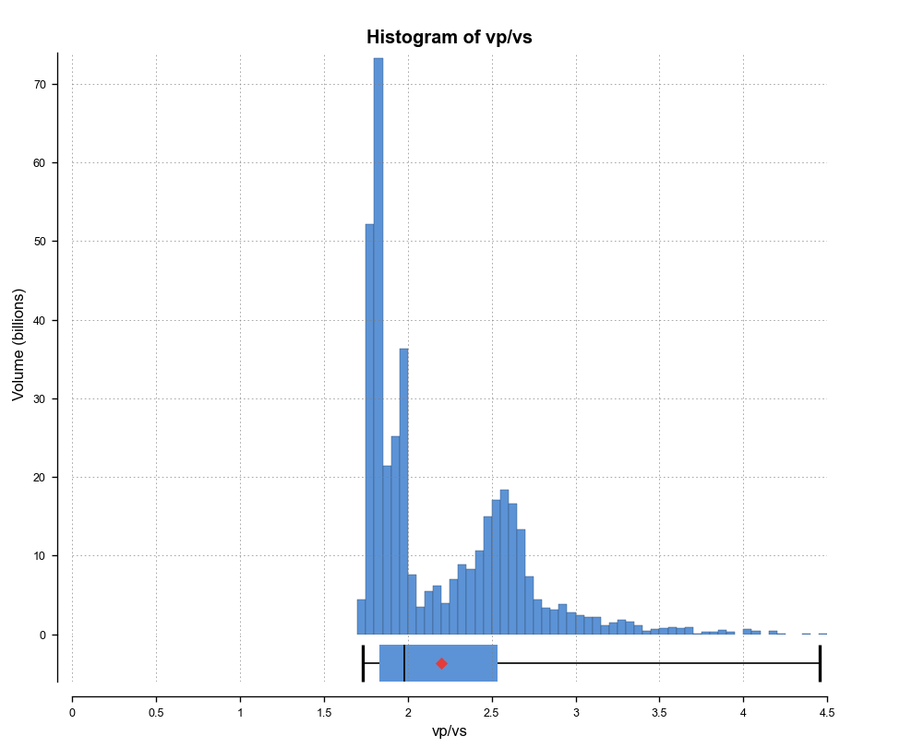
 | ? |  | ? | ? = more uncertain

vs
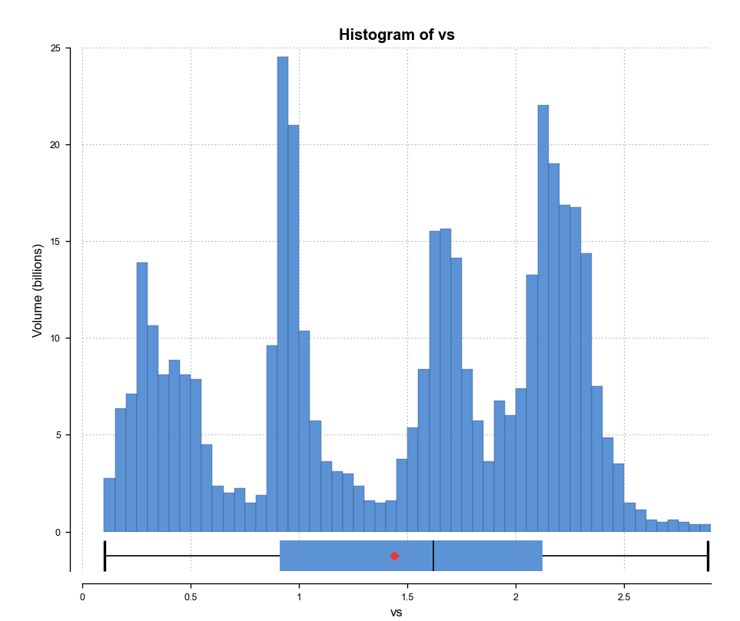
vs range | index value - reservoir | index value - heat | index value - insulation | notes | mean | 1.44
<0.75 | 1 | 5 | 1 | low indicative f partial melt or fluid-filled reservoir
0.75-1.25 | 2 | 4 | 3
1.25-1.75 | 3 | 3 | 5
1.75-2.25 | 4 | 2 | 3
>2.25 | 5 | 1 | 1 | higher in solid rock

vp
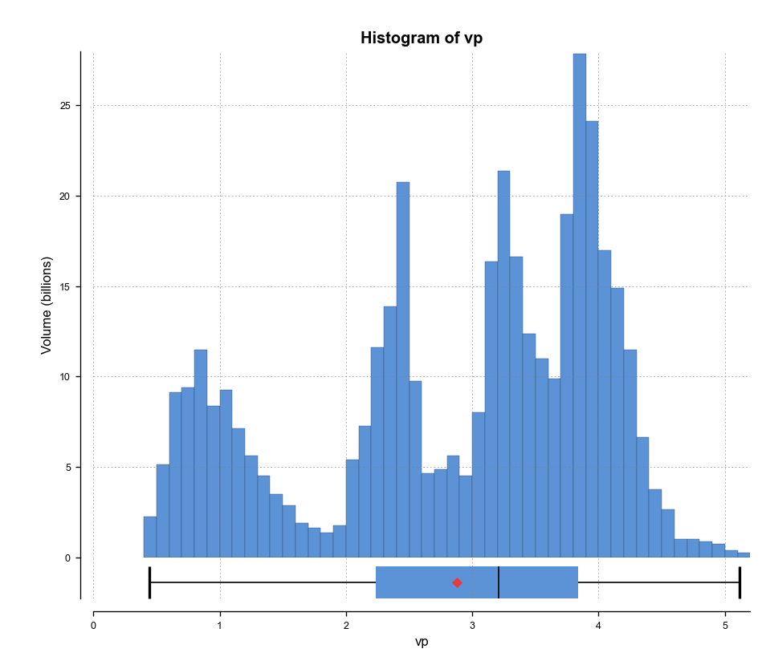
vp range | index value - reservoir | index value - heat | index value - insulation | notes | mean | 2.878
<1.7 | 1 | 5 | 1 | low indicative of fluid-filled reservoir or partial melt or magma chamber
1.7-2.5 | 2 | 4 | 2
2.5-3.3 | 3 | 3 | 3
3.3-4.1 | 4 | 2 | 4
>4.1 | 5 | 1 | 5 | high indicative of hard impermeable rock - e.g. pluton/egs reservoir

temperature
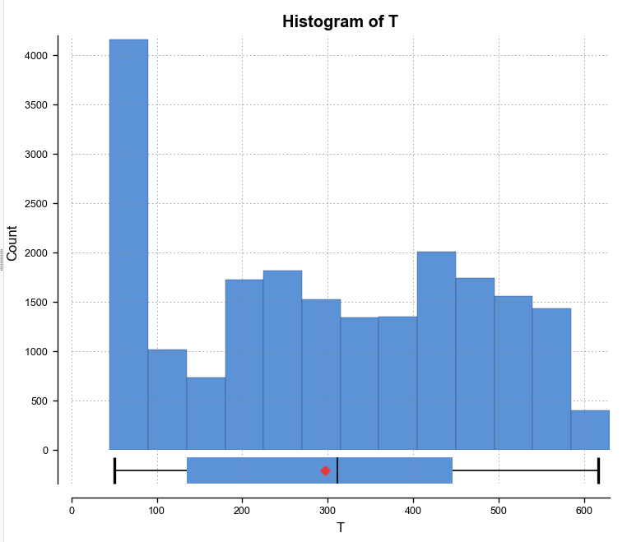
Temperature Range (deg C) | Index Value - heat
>375 | 5
350-375 | 4
325-350 | 3
300-325 | 2
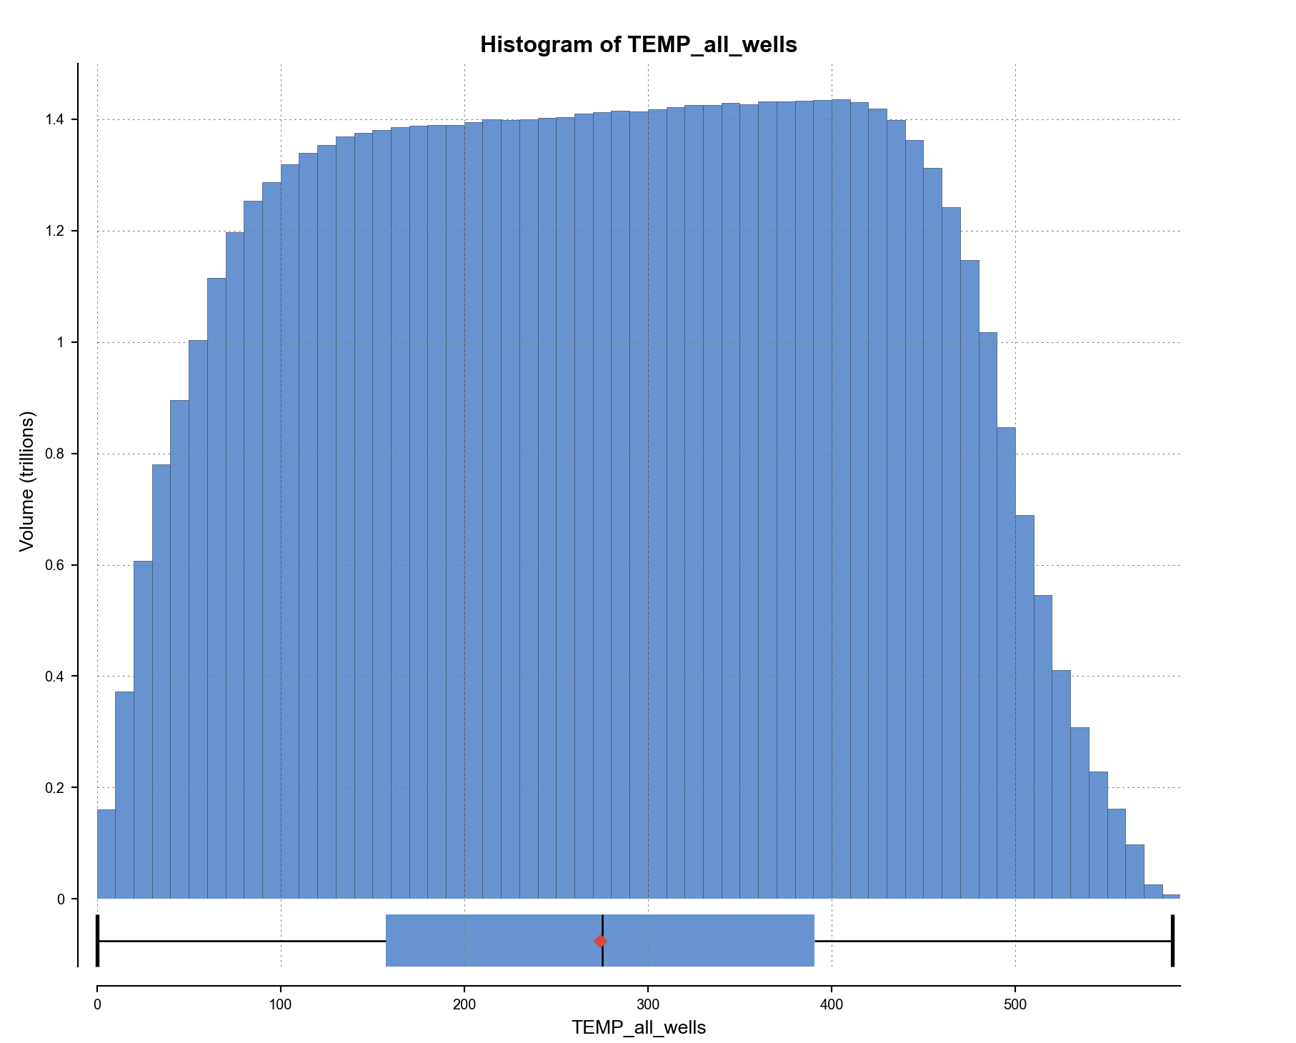
250-300 | 1
otherwise | 0

seismicity
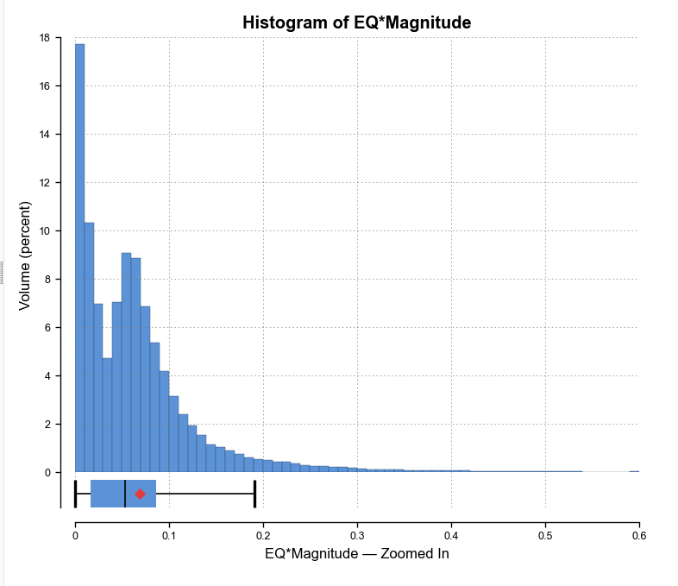
based on density and magnitude - subject to change based on block model histogram
Seismicity Value | Index Value - reservoir | Index Value - heat source | Index Value - insulation
>0.15 | 5 | 0 | 1
0.075-0.15 | 4 | 1 | 2
0.05-0.075 | 3 | 2 | 3
0.01-0.05 | 2 | 3 | 4
0.001-0.01 | 1 | 4 | 5
otherwise | 0 | 5 | 5
 |  | heat source is near/below the BDTZ - lower eq activity

eq_cutoff_depth
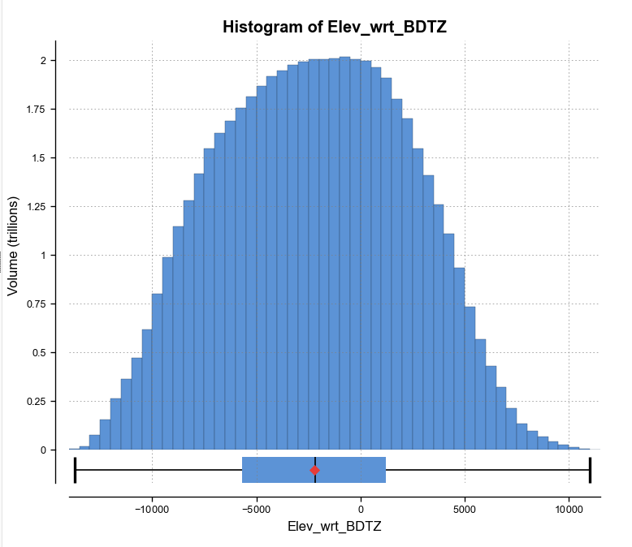
Distance From Cutoff Isosurface | Index Value - reservoir | index value - heat source
-250-250 m | 5 | 3 | slightly above or below the estimate BDTZ
250-1000 m | 3 | 2 | brittle
< -250 | 1 | 5 | ductile
> 1000 m | 1 | 1 | too shallow
otherwise | 0 | 0

fault_distance
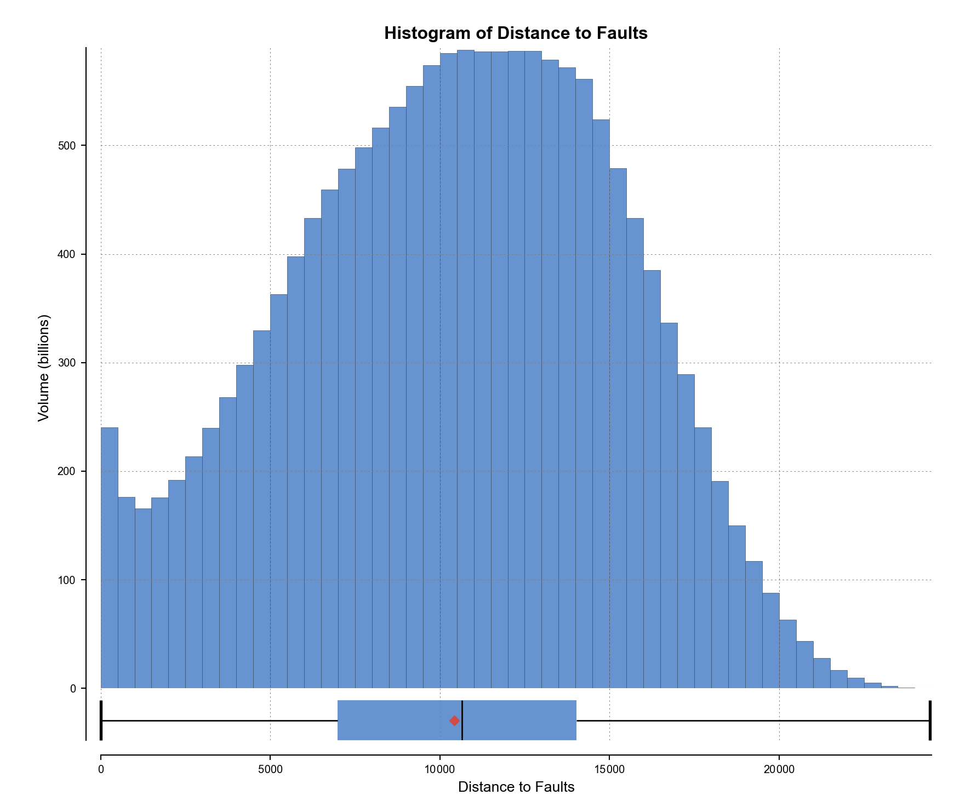
Distance from Fault | Index Value- reservoir
0-25 | 5
25-250 | 4
250-1000 | 3
1000-5000 | 2
5000-10000 | 1
otherwise | 0

density
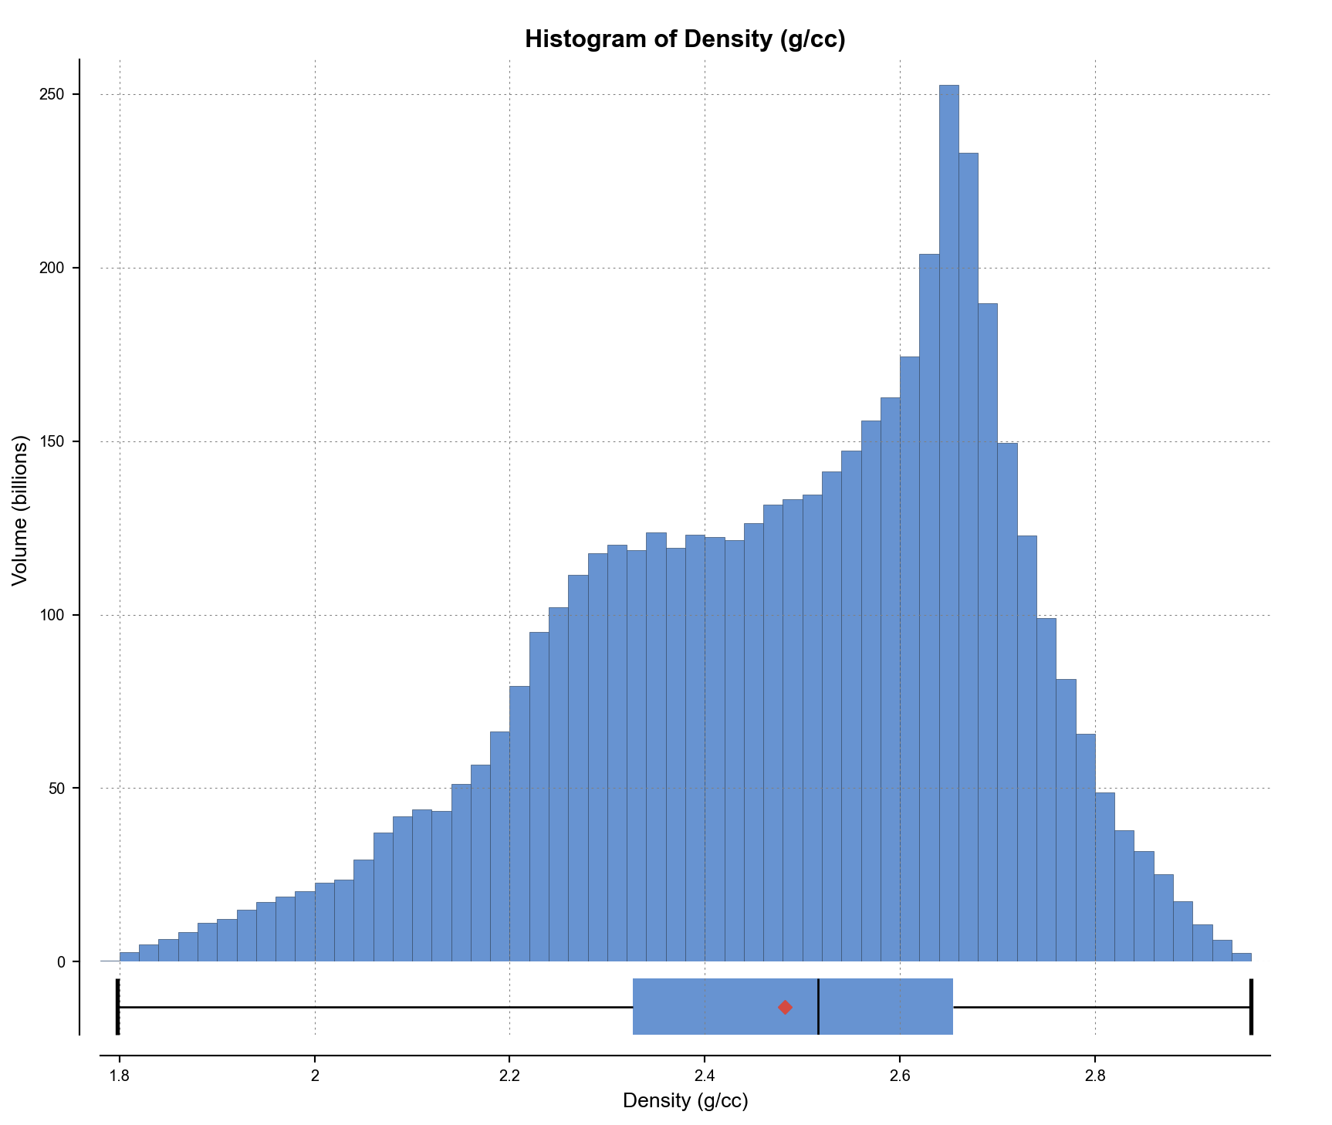
density range | density range | Index Value - reservoir | Index Value - heat source | Index value - insulation
high | >2.7 | 5 | 1 | 5
medium-high | 2.6-2.7 | 4 | 2 | 4
medium | 2.4-2.6 | 3 | 3 | 3
low-medium | 2.2-2.4 | 2 | 4 | 2
low | <2.2 | 1 | 5 | 1
otherwise | otherwise | 0 | 0 | 0

resitivity
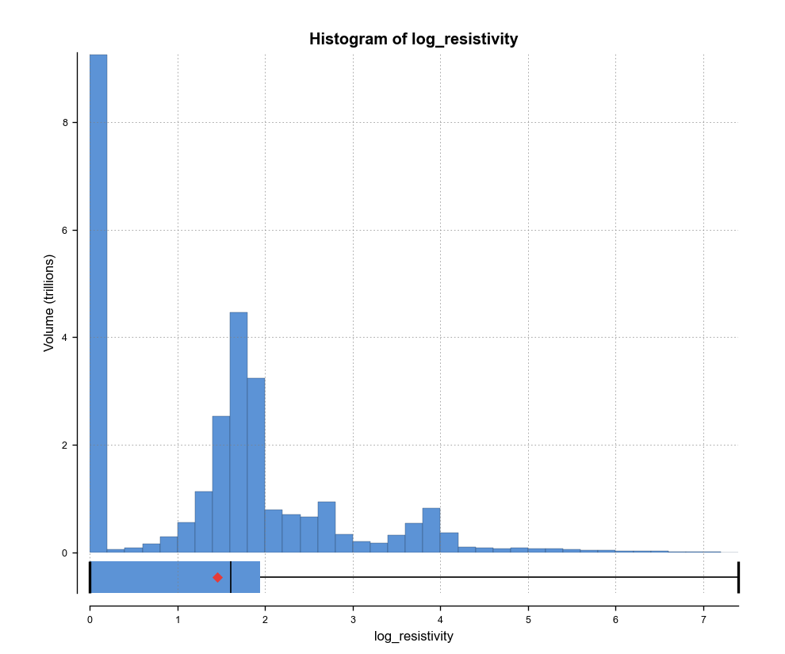
resistivity range | log of resistivity range | Index Value - reservoir | Index Value - heat source | Index Value - insulation | mean | 16347.5
low | <1 | 1 | 5 | 5 | mean(log) | 1.45
low-medium | 1-1.5 | 2 | 4 | 4
medium | 1.5-2 | 3 | 3 | 3
medium-high | 2-3 | 4 | 2 | 2
high | >3 | 5 | 1 | 1
otherwise |  | 0 | 0 | 0

