geologic_model
Geologic Layer | Description | Index Value - reservoir | Index Value - heat source | Index Value - insulation | notes for each component of each play
Intruded John Day/Subvolcanics | Intruded John Day – Based on deep geothermal exploration wells (Table A.2) subvolcanic intrusions underlie and penetrate the John Day Formation. These are generally poorly characterized due to a lack of exposure but comprise dacite to granodiorite. This zone is often referred to as “highly intruded John Day,” or simply as subvolcanic. All formations contain layers of mafic to silicic lava flows and tuffs along with their feeder pipes and dikes, which have been documented by surface mapping or in drill cuttings (Fitterman et al. 1988). | 3 | 1 | 5 | volcanics not great for maintaining fractures - probably a 3 for EGS, but 5 for hydrothermal. Tuffs non-permeable depends on fractions | 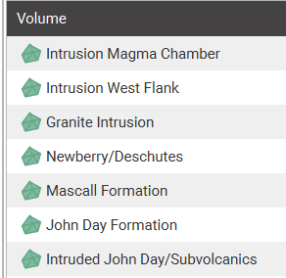
granite intrusion | (? - not sure which intrusion this is) Katie Sullivan, of the USGS in Menlo Park and San Francisco State University, is using zircon from granodiorite in Well NWG 55-29 cuttings to date suspected Newberry-aged intrusion as part of her master’s thesis | 4 | 3 | 1 | higher for EGS, lower for hydrothermal
Intrusion West Flank |  | 4 | 3 | 1 | higher for EGS, lower for hydrothermal
John Day Formation | Oligocene John Day Formation (37 to 19 Ma) – The John Day Formation is composed of silicic, intermediate and basaltic volcanic lava flows, rhyolite ash-flow tuff, and dacite to rhyodacite tuffs and alluvial deposits, dated at 19 Ma to 37 Ma (Robinson et al. 1984). The western exposures show welded and cemented tuff, volcaniclastic deposits, rhyolite domes and flows, and basalt to andesitic basalt flows. The rhyolite flows and tuffs are sanidine-normative. | 3 | 1 | 5 | Essentially the same as intruded John Day
intrusion magma chamber |  | 5 | 5 | 1 | don’t want to target, but there is uncertainty in where it exists
Newberry/Deschutes Formation | Pliocene Deschutes Formation (>7 to 4 Ma) – The upper portion is composed of olivine basalt flows, andesite flows, basaltic ash, debris flows, eroded, re-worked basaltic and andesitic volcanic sediments, and debris flows dating from about 6 Ma to 4 Ma (Smith 1986). These are underlain by ash-flow tuffs, ignimbrites, rhyolites and rhyodacites, and black-pumice dacite pyroclastics, dating to about 7.4 Ma (Smith 1986). Pyroclastic and debris units are observed to contain a mix of andesite, scoria, dacite, and pumice fragments, all within a single flow (Smith 1986; Sherrod et al. 2004). Ferns and McClaughry and Ferns (2006) identify Deschutes Formation members that are older than 7 Ma as indicated by their position beneath the 7.05 Ma Rattlesnake ash-flow tuff observed to the northeast of Newberry Volcano. | 2 | 1 | 4 | talk to adam or trenton? So much variation in lithology that there are likely permeable and impermeable layers. Probably rank 3
Mascall Formation | Miocene Mascall (Simtustus) Formation (16.0 to 14.7 Ma) – The Mascall Formation is composed of white- to light-gray sanidine crystal lithic tuff, tuffaceous sandstone and siltstone, lacustrine sediments, and conglomerates (Ferns and McClaughry 2006; Sherrod et al. 2004). Draus (2002) reports magnetic chronology ages of 14.7 to 16.0 Ma, consistent with reported K-Ar ages of 16.6 ±1.4 Ma for the basal tuff, 16.0 Ma for an interbedded Columbia Basalt flow, and an Ar/Ar age of 15.8 Ma for included tuff beds. | 1 | 1 | 3 | bad for all
otherwise |  | 0 | 0 | 0

alteration
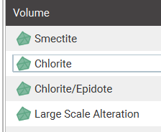
alteration type | index value - insulation | index value - heat source | notes
smectite | 5 | 1 | clay (non-permeable and conducitve) - clay cap - high for insulation but low for everything else
chlorite | 4 | 3 | non-conductive mineral (depends on chemical comosition) - med-high for heat source
chlorite/epidote | 4 | 4 | non-conductive mineral - high for heat source
large scale alteration | 4 | 5 | probably that you see all of it (gradients of mineralization) - super high index value

vpvs
vp/vs range | index value - reservoir, fluid-filled | index value - heat | index value - insulation | notes | mean | 2.2
<1.8 | 1 | 1 | 1
1.8-2.1 | 2 | 2 | 3
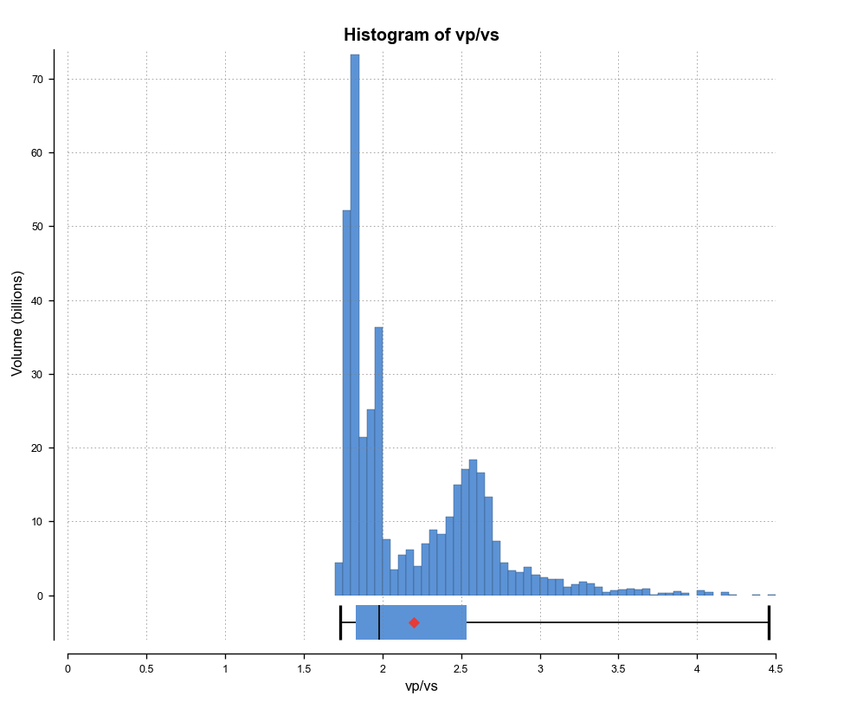
2.1-2.3 | 3 | 3 | 5
2.3-3 | 4 | 4 | 3
>3 | 5 | 5 | 1 | high indicative of fluid-filled reservoir or partial melt or magma chamber
 |  |  | ? | ? = more uncertain

vs
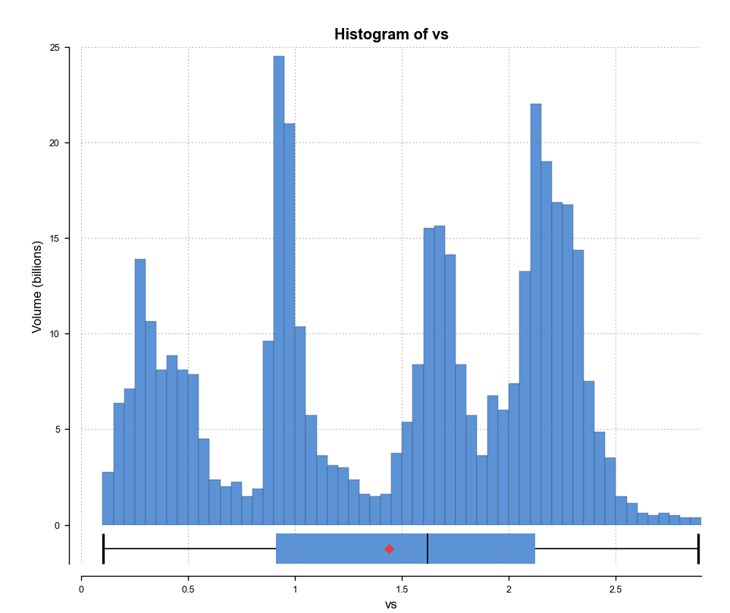
vs range | index value - reservoir, fluid-filled | index value - heat | index value - insulation | notes | mean | 1.44
<0.75 | 5 | 5 | 1 | low indicative f partial melt or fluid-filled reservoir
0.75-1.25 | 4 | 4 | 3
1.25-1.75 | 3 | 3 | 5
1.75-2.25 | 2 | 2 | 3
>2.25 | 1 | 1 | 1 | higher in solid rock

vp
vp range | index value - reservoir, fluid-filled | index value - heat | index value - insulation | notes | mean | 2.878
<1.7 | 5 | 5 | 1 | low indicative of fluid-filled reservoir or partial melt or magma chamber
1.7-2.5 | 4 | 4 | 2
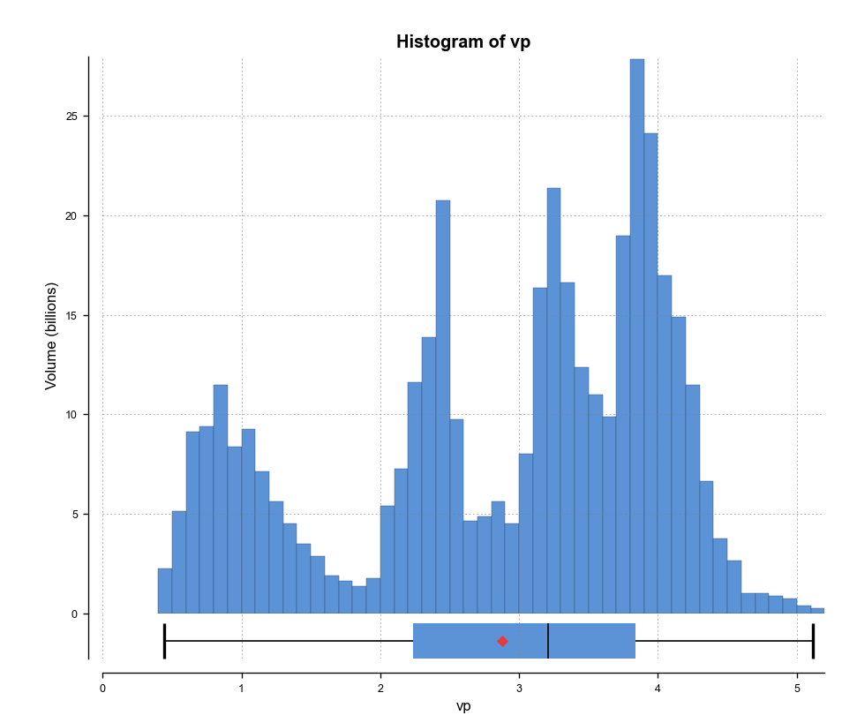
2.5-3.3 | 3 | 3 | 3
3.3-4.1 | 2 | 2 | 4
>4.1 | 1 | 1 | 5 | high indicative of hard impermeable rock - e.g. pluton/egs reservoir

temperature
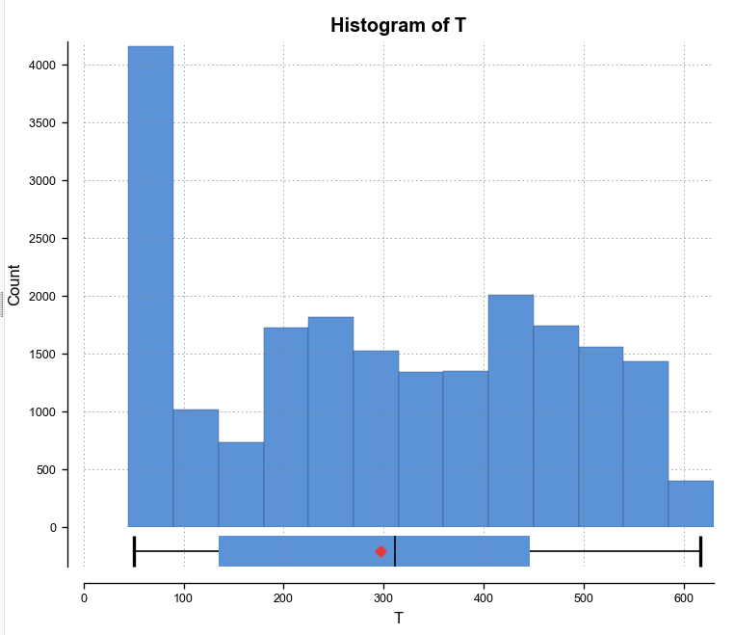
Temperature Range (deg C) | Index Value - heat
>250 | 5
200-250 | 4
150-200 | 3
100-150 | 2
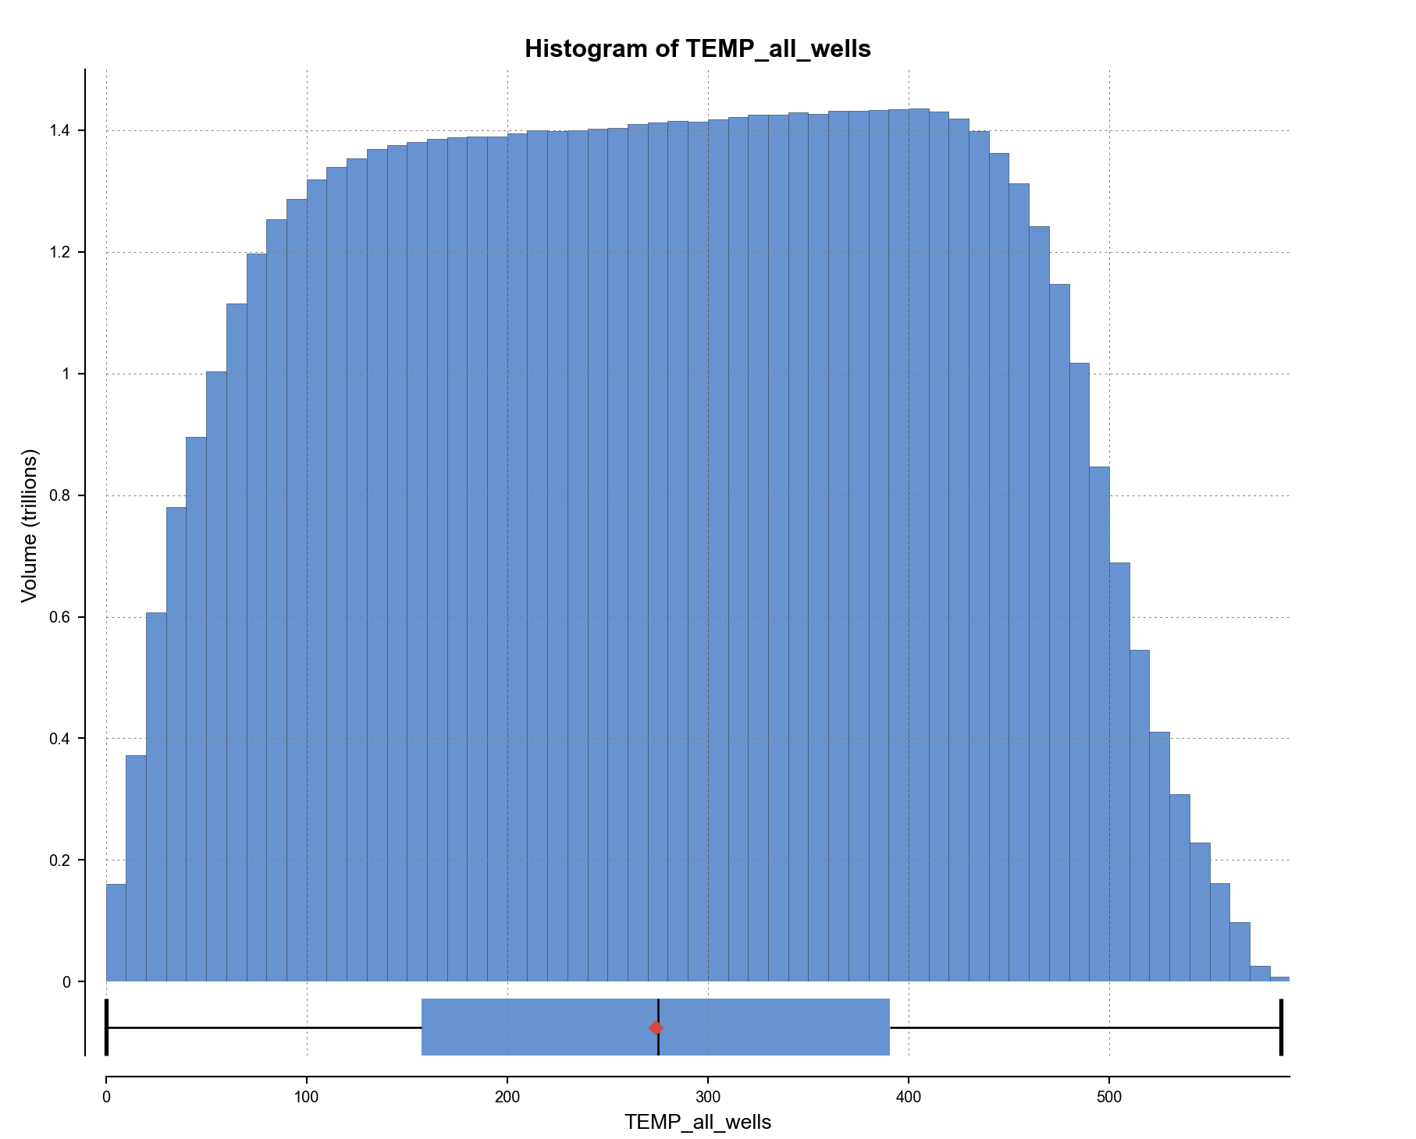
50-100 | 1
otherwise | 0

seismicity
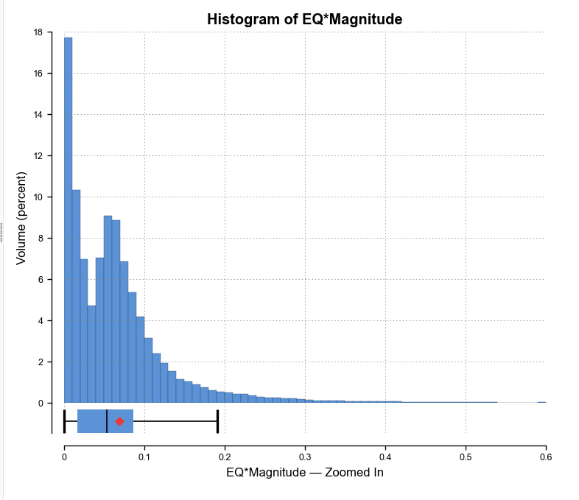
based on density and magnitude - subject to change based on block model histogram
Seismicity Value | Index Value - reservoir | Index Value - heat source | Index Value - insulation
>0.15 | 5 | 5 | 1
0.075-0.15 | 4 | 4 | 2
0.05-0.075 | 3 | 3 | 3
0.01-0.05 | 2 | 2 | 4
0.001-0.01 | 1 | 1 | 5
otherwise | 0 | 0 | 5
 |  | * should be reversed - heat source is below the BDTZ

eq_cutoff_depth
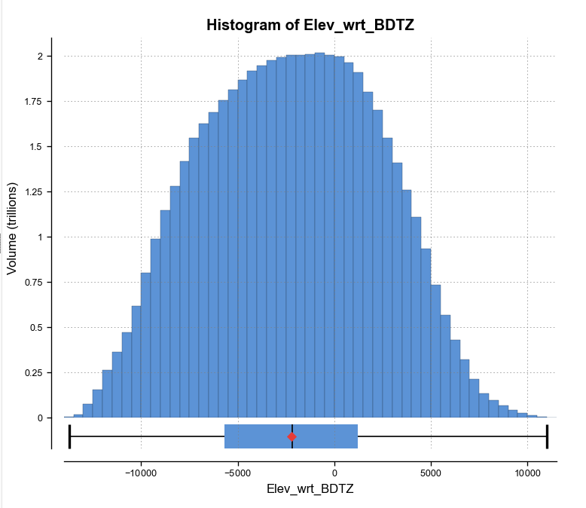
Distance From Cutoff Isosurface | Index Value - reservoir | index value - heat source
-250-250 m | 3 | 3 | slightly above or below the estimate BDTZ
250-1000 m | 5 | 2 | brittle
< -250 | 1 | 5 | ductile
> 1000 m | 2 | 1 | too shallow
otherwise | 0 | 0

fault_distance
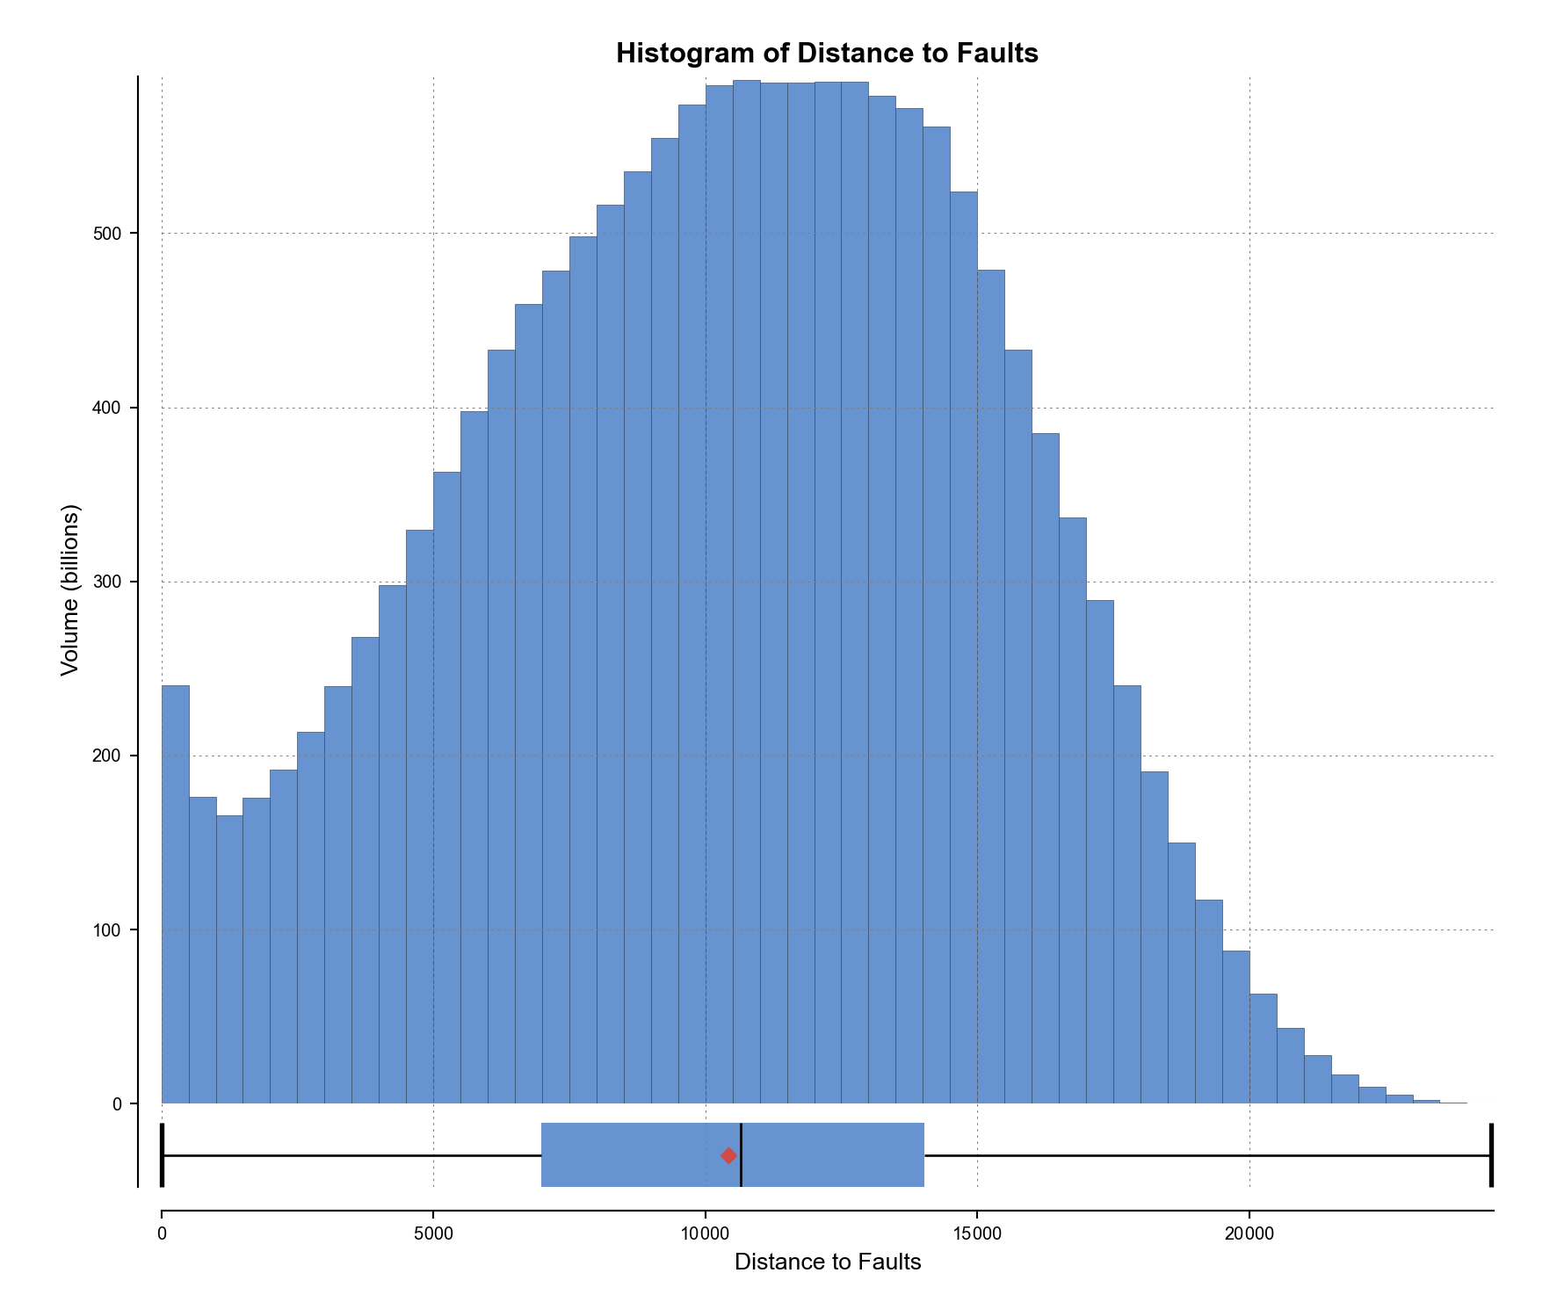
Distance from Fault | Index Value- reservoir
0-25 | 5
25-250 | 4
250-1000 | 3
1000-5000 | 2
5000-10000 | 1
otherwise | 0

density
density range | density range | Index Value - reservoir | Index Value - heat source | Index value - insulation
high | >2.8 | 1 | 1 | 5
medium-high | 2.6-2.8 | 2 | 2 | 4
medium | 2.4-2.6 | 3 | 3 | 3
low-medium | 2.2-2.4 | 4 | 4 | 2
low | <2.2 | 5 | 5 | 1
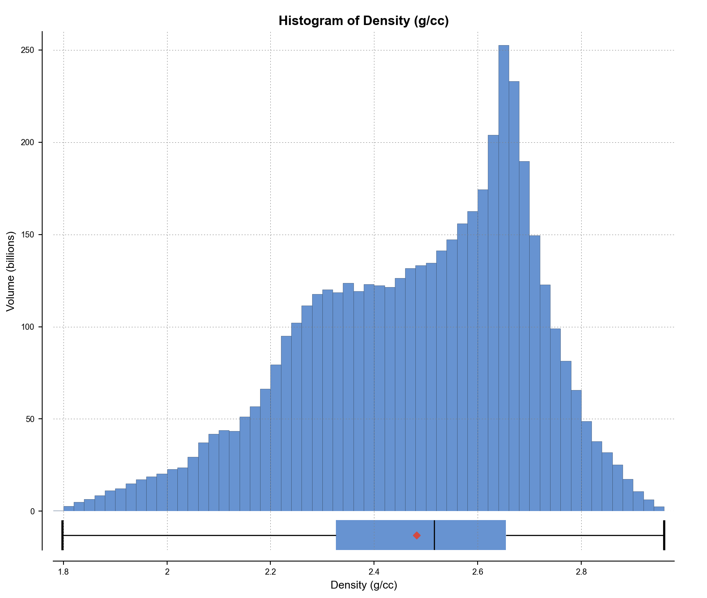
otherwise | otherwise | 0 | 0 | 0

resitivity
resistivity range | log of resistivity range | Index Value - heat source | Index Value - reservoir, fluid-filled | Index Value - insulation | mean | 16347.5
low | <1 | 5 | 5 | 5 | mean(log) | 1.45
low-medium | 1-1.5 | 4 | 4 | 4
medium | 1.5-2 | 3 | 3 | 3
medium-high | 2-3 | 2 | 2 | 2
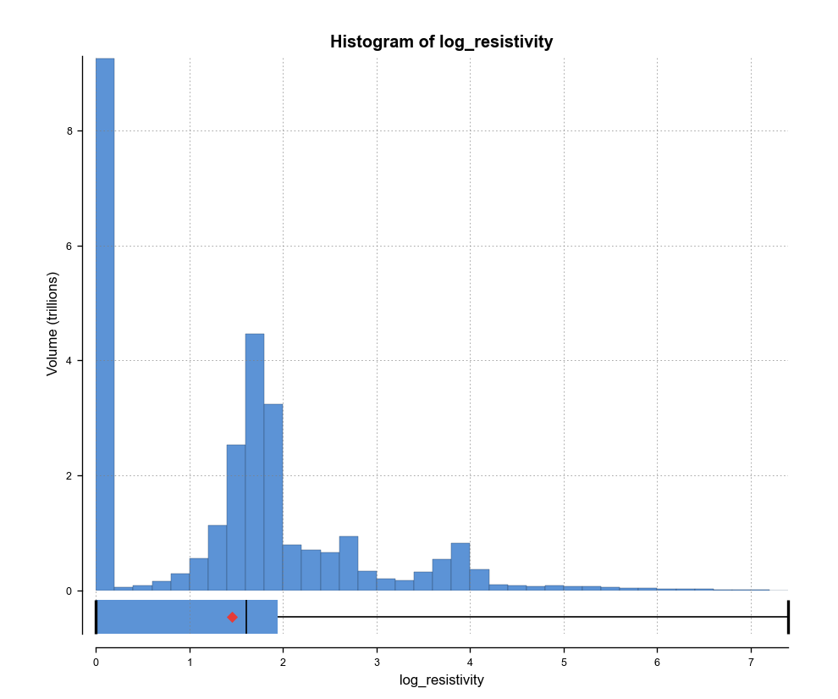
high | >3 | 1 | 1 | 1
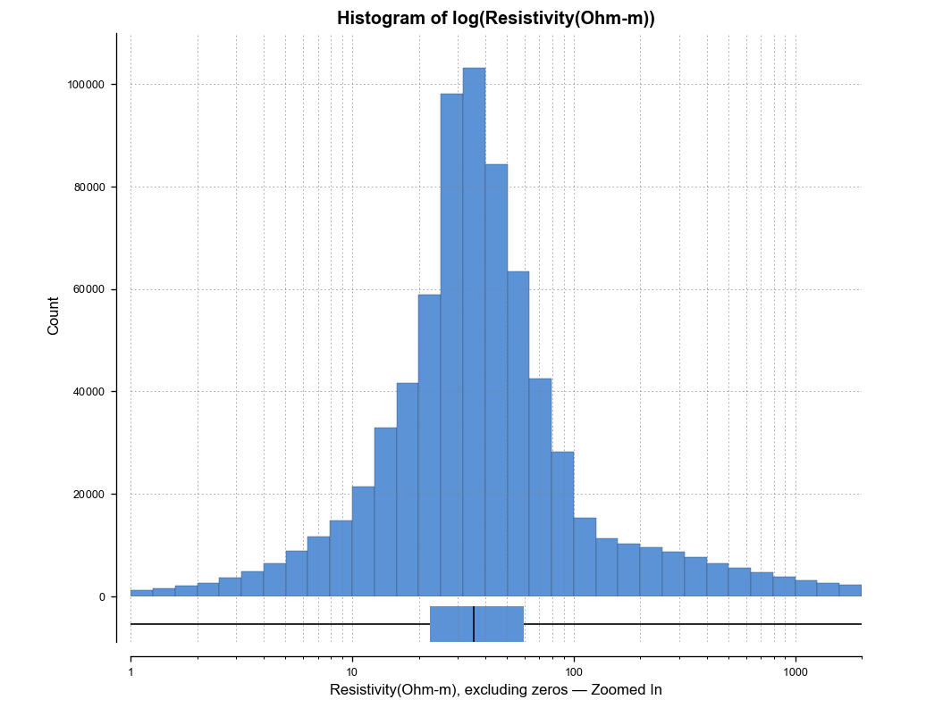
otherwise |  | 0 | 0 | 0

